Instructions
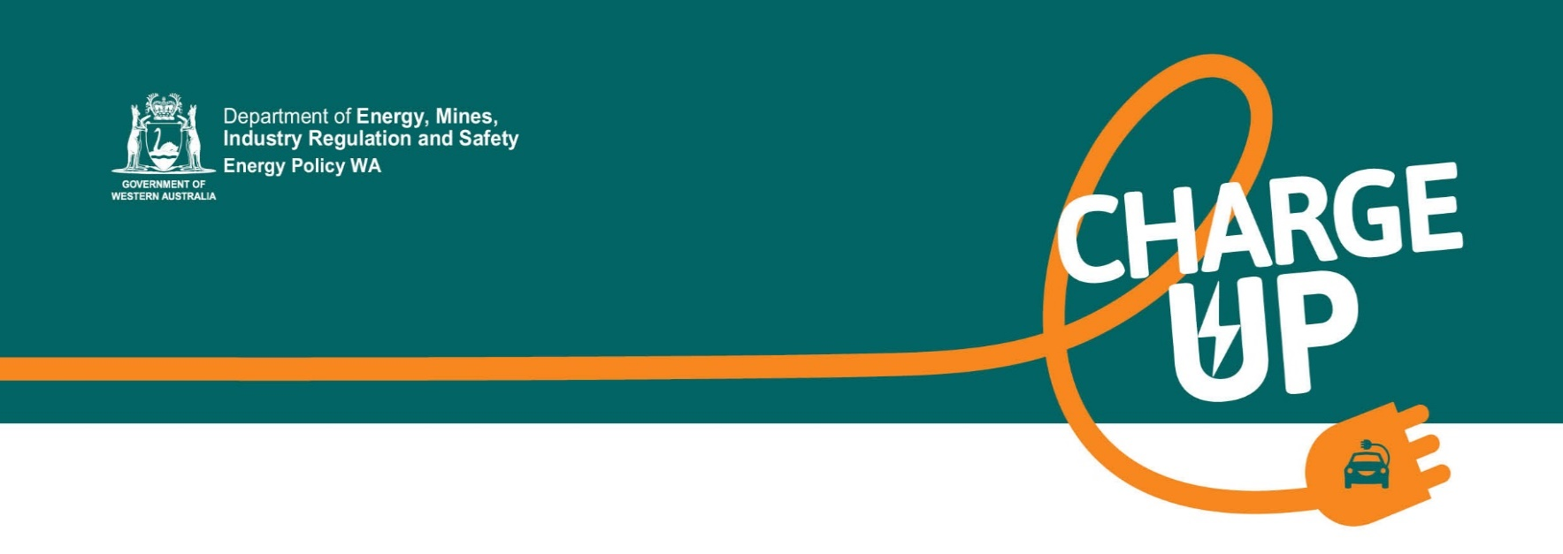

 | Approved software and hardware list - interactive tool
 | version 2.0, 20 May 2025
 | Charge Up Electric Vehicle Charger Grants

This interactive tool is designed to help you choose software and hardware when making an application to the Charge Up Workplace Electric Vehicle Charger grants program.
The information provided in this tool reflects the latest approved software and hardware list under the Charge Up grants program. The tool allows you to view and refine the hardware and software lists using Excel filters.
Using the tool
To use the tool, select either the 'Software' or the 'Hardware' tab and use the Excel filters on the second row to select your requirements.
If you know the type of hardware you're looking for, you can filter by options including; AC/DC, brand, wall or pedestal, how many ports and also ouput (kW) range.
Similarly, if you know the software supplier or software platform you prefer, you can filter the software list by these. The software list also shows hardware that is known to be compatible with this software.
Requirements can be selected in any order. Don't forget to reset your filters after each search query.
This tool is a guide only. It does not provide all possible combinations of approved hardware and software - combinations are only listed where they have been confirmed with vendors. Further, software platforms do not necessarily support all approved models from a specific brand. You must ensure that the EV charger(s) you select from the list can be supported by your selected software. Your software supplier will be able to assist you with this.
Some combinations of approved charger brands and software platforms may be compatible with each other, but do not feature in this list. In all cases we strongly recommend you contact the relevant software vendor to clarify that hardware/software combinations are compatible before proceeding with purchase.

Energy Policy WA
Level 1, 66 St George’s Terrace, Perth WA 6000
Locked Bag 11, Cloisters Square WA 6850
Telephone: 6551 4600
www.energy.wa.gov.au

About
 | Approved software and hardware list - interactive tool
 | Charge Up Workplace Electric Vehicle Charger grants program

About the Software List
All approved EV charger software has been assessed and approved against the following criteria:
• Remote management of EVSE (Electrical Vehicle Supply Equipment) enabled
• Available and supported within Australia
• Compatible with OCPP 1.6
• User-friendly interface
• Mapping interface to locate EV chargers
• Accessible for any member of the public to sign up
• Available on Android and iOS operating systems
• Billing services that enable differential pricing (for example, different prices at different times of day)
• Evidence, from Plugshare or similar, of the software platform enabling charging at 3-4 different locations.
About the Hardware List
All approved AC chargers have been assessed and approved against the following criteria:
• Available within Australia, with a procurement lead time of no more than 3 months
• Compliant to relevant Australian standards
• RCM marked, in accordance with AS/NZS4417
• Able to support charging of any EV make/model available in Australia (Note, it is acceptable for the EVSE to have automotive OEM branding, provided the charger can support all vehicles)
• Type 2 socket outlet or Type 2 tethered cable
• 7kW to 22kW AC output
• OCPP 1.6 and/or OCPP 2.0 communications capability, over at least one of Ethernet, Wi-Fi or 4G
• Ingress protection rating of IP54 or higher
• Impact protection rating of IK08 or higher
All approved DC chargers have been assessed and approved against the following criteria:
• Available within Australia, with a procurement lead time of no more than 9 months
• Compliant to relevant Australian standards
• RCM marked, in accordance with AS/NZS4417
• Able to support any EV make/model Available in Australia that has a CCS2 DC port
• Minimum of 1 x CCS2 cable outlet. CHAdeMO is permitted, but not required. Multiple cable outlets are permitted but not required
• DC output of 24-350kW
• OCPP 1.6 and/or OCPP 2.0 communications capability, over at least one of Ethernet, Wi-Fi or 4G
• Ingress protection rating of IP54 or higher
• Impact protection rating of IK10 or higher
• Service level agreement (SLA) or equivalent instrument offered on all quotations. The SLA shall define, but not limited to, committed timeframes to supply replacement parts in case of breakdown, and commercial consequences for failure to supply
Disclaimer
The information contained in this list is based on information and assertions provided to the Electric Vehicle Council and Energy Policy WA by the equipment and software suppliers. The State of Western Australia is not responsible for any losses associated with the use of the information presented on this list. It is the responsibility of anyone using this list to conduct their own research and due diligence on each supplier and EV charging hardware/software prior to purchase or installation.

Energy Policy WA
Level 1, 66 St George’s Terrace, Perth WA 6000
Locked Bag 11, Cloisters Square WA 6850
Telephone: 6551 4600
www.energy.wa.gov.au

