Help
RETURN TO CALCULATOR

Tips for using the Glazing Calculator:

In addition to the information offered here, the ABCB has prepared a document to explain the changes
to the Volume Two glazing provisions introduced with BCA 2010. It is available for download from the
ABCB website.

 | Calculator version (2.04):
1 |  | Version 2.04 of the Glazing Calculator was first issued for use under Part 3.12.2 External Glazing of BCA 2013 Volume Two (Housing Provisions).
2 |  | Updates to this file may be available for download from the ABCB website from time to time. The file name will include the version number. The latest version should always be used.
3 |  | A record of changes made to each version of the Glazing Calculator appears at the end of this Help section. (Scroll down to see the version history.)

 | Operating system:
4 |  | The Glazing Calculator has been developed in the Windows ® versions of Microsoft Excel ® 2003 and 2007/10. Two separate file formats (.xls and .xlsx) are offered due to formatting incompatibilities between Excel versions.
5 |  | The .xlsx file is suitable for use in the 2007 and 2010 versions of Excel for Windows and in the 2011 version of Excel for Apple Mac ®. These Help instructions and the screenshots refer to the Windows version and may not fully reflect the Mac interface.
SHOW SCREENSHOT 1
 | Displaying the Calculator form:
6 |  | The Calculator form has been designed for viewing as a whole "page" with 10 rows visible in the glazing elements table (at 100% zoom - assuming a minimum screen resolution of 1024 x 768 pixels).
7 |  | Some users may need to adjust the screen zoom setting to see the whole form at once. The worksheet background does not change when zoom settings are altered and also does not print.
8 |  | Users with Excel 2002 (Excel XP) or later for Windows and 2011 for Mac can change the number of rows visible by using the arrow to the left of the 'ID' heading near the top left of the glazing elements table. First set the number of rows preferred (maximum 80) in the input cell immediately above the table and press Enter. Next, click the arrow beside 'ID' and select that number in the drop-down list which opens. (The number set will be the only number shown in the list.)
9 |  | The input cell for the number of rows preferred will not accept numbers that would cause data used by calculations to be hidden. (This data includes inputs to the 'Facing sector' column and those to its right.) A warning message will be displayed if this is attempted.
SHOW SCREENSHOT 2
 | Adding and changing glazing details:
10 |  | Yellow filled cells on the Calculator form are accessible for user input. (Other cells generally cannot be selected or edited, except as noted below for the glazing elements table.)
11 |  | When all input cells at the top of the Calculator form are blank, advisory messages (for new users) will appear in sequence above each of the cells needing input. A cell with an input advice message will also be coloured green until data is entered. Press Enter or Tab after typing inputs to move to the next available cell.
12 |  | In the glazing elements table, all white cells below the heading rows are accessible but they are not yellow filled by default. Accessible cells in each row will be yellow filled once an orientation sector has been given.
13 |  | Light green filled cells to the right of the table contain calculations whose results can be seen but not edited. To change results, change the user inputs.
14 |  | Any of the yellow filled cells can be selected and edited. Adjoining yellow filled cells can be selected in a block (or range) to clear their contents at the same time.
15 |  | To remove unwanted data, select the cell or range, right click to show the context menu and select Clear Contents from that menu. Alternatively (in Windows), use the Delete key.
16 |  | If copying data between cells, always use Paste Special | Paste Values to avoid formatting errors on the Calculator form.
17 |  | Details above the glazing elements table (including at least one Floor type) and at least one glazing element must be supplied for Calculator outcomes to be displayed.
SHOW SCREENSHOT 3
 | Error and alert messages:
18 |  | The Calculator has been designed to identify anticipated input errors but may not trap all invalid inputs.
19 |  | Identified issues concerning inputs above the glazing elements table are flagged above the input cells.
20 |  | Input issues in each row of the glazing elements table are identified in bold red font to the right of the row (overlaying the calculations area).
21 |  | Missing inputs anywhere on the form are generally highlighted by tan fill. Invalid inputs or those which may be contributing to outcomes failures are highlighted by orange fill.
22 |  | Calculator outcomes cannot be displayed until all input issues have been resolved (which will clear any colour highlighting and advisory messages). Several messages may appear in sequence for the same row as issues are resolved.
23 |  | Calculator outcomes resulting in a "tick" are valid only if all of the input details comply with BCA elemental DTS requirements. The claimed Air Movement level must be verified by separate calculation since this is not checked by the Calculator.

 | Printing:
24 |  | The Calculator form can be printed using the File | Print menu.
25 |  | The print area has been pre-set to allow printing as one or more A4 pages (landscape format), depending on the number of rows displayed in the form. Some margins may need to be adjusted to suit some printers (particularly inkjets).
26 |  | The Help button shown on the top right of the Calculator form, the coloured band behind the form title and the coloured background are not intended to print as part of the form (to reduce ink or toner usage).
27 |  | These Help instructions can be printed (using File | Print) for ready reference while using the Calculator form.

 | Users' worksheet:
28 |  | A protected worksheet with most cells accessible has been provided for users' notes and calculations. (Protection is essential to maintain the integrity of the Calculator but does restrict the functions and operations available to the user.) The Worksheet can be accessed by selecting its tab at the bottom of the Excel window.
29 |  | Calculation of air movement levels, for example, may be done on the users' worksheet. Cells can be linked by formulae to the Calculator input cells or to cells in other Excel files.
30 |  | Use of this worksheet is optional and responsibility for its contents and consequences remains entirely with the user.

 | Version history:
 | 2.04 (May 2013):
 | • | Changed "Total U-Value" and "SHGC" to "Total System U-Value" and "Total System SHGC" to reflect changes to BCA 2013.

 | 2.03 (December 2011):
 | • | Modified Calculator formatting and error reporting for compatibility with Excel 2010 on Windows and 2011 on Mac.
 | • | Increased the maximum number of rows available in the glazing elements table from 40 to 80.
 | • | Revised Help notes and screenshots to suit Calculator changes.

 | 2.02:
 | • | Fixed display of constants at upper right of form for Suspended floors.

 | 2.01:
 | • | Changed "NFRC" to "AFRC" in headings of Total U-Value and SHGC columns.
 |  | (AFRC refers to the Australian Fenestration Rating Council. See cell comments in headings,)

 | 2.00:
 | • | First public issue of extensively revised version for use with BCA 2010.

 | 1.03:
 | • | Merged building description text box to become one cell.
 | • | Added additional explanatory information for entering Standard and High Air Movement levels.

 | 1.02:
 | • | Enabled interpolation of Air Movement levels between Standard and High
 | • | Fixed display of glazing percentages below Floor type table when both floor types are used.
 | • | Changed second row title of Floor type table to "Area of floor" to match term in Clause 3.12.2.1(a).
 | • | Added input tips (describing Floor types A and B) to the input cells for "Area of floor".
 | • | Added a worksheet for users' notes and calculations (and displayed worksheet tabs for access).
 | • | Updated screenshots.

 | 1.01:
 | • | Enhanced input cues for data needed above the glazing elements table.
 | • | Added a new note 3 to Help notes and revised text of note 18 (formerly note 17).
 | • | Added this Version history to the Help screen.

 | 1.00:
 | • | First public issue.

Screenshots
RETURN TO CALCULATOR
RETURN TO HELP
1. | Displaying the Calculator form:

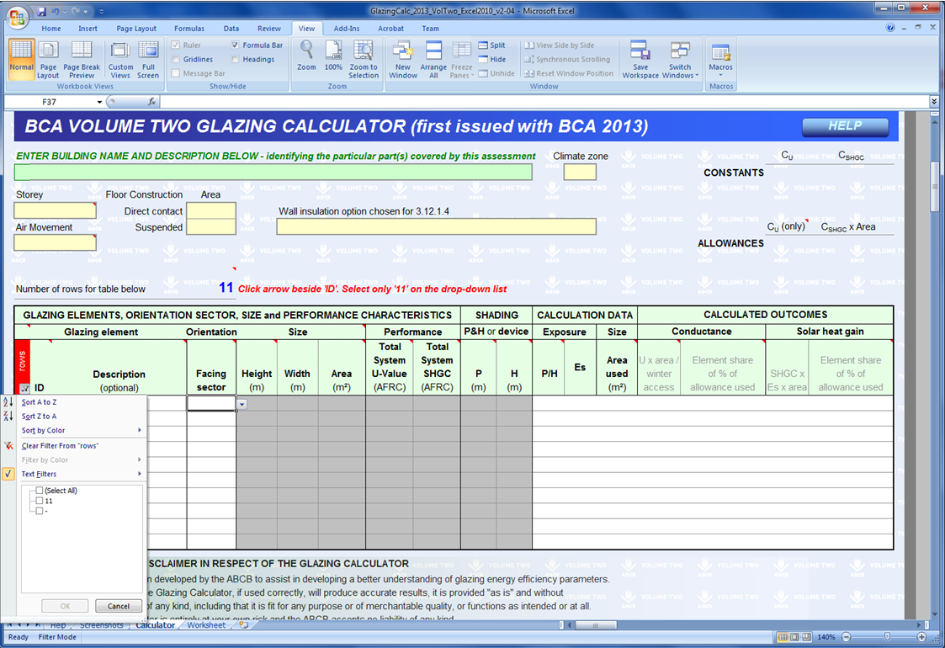
To change the number of rows displayed (step 1 of 2):
Input the required number of rows here and press Enter. Note the advice in red to the right of the number.
(This cell will not accept numbers that would cause rows with data to be hidden.)
Status bar zoom controls:
In Excel 2007 and later for Windows.
To change the number of rows displayed (step 2 of 2):
Click the arrow in the red filled cell and then select the only number in the drop down list.
(This number will always match the number set in step 1.)
To change the size of the form on screen:
Use the Zoom box on the Ribbon or adjust the slider on the Status Bar (below right - in Windows only).

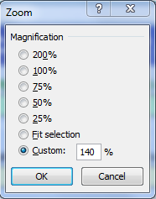

RETURN TO CALCULATOR
RETURN TO HELP
2. | Adding and changing glazing details:
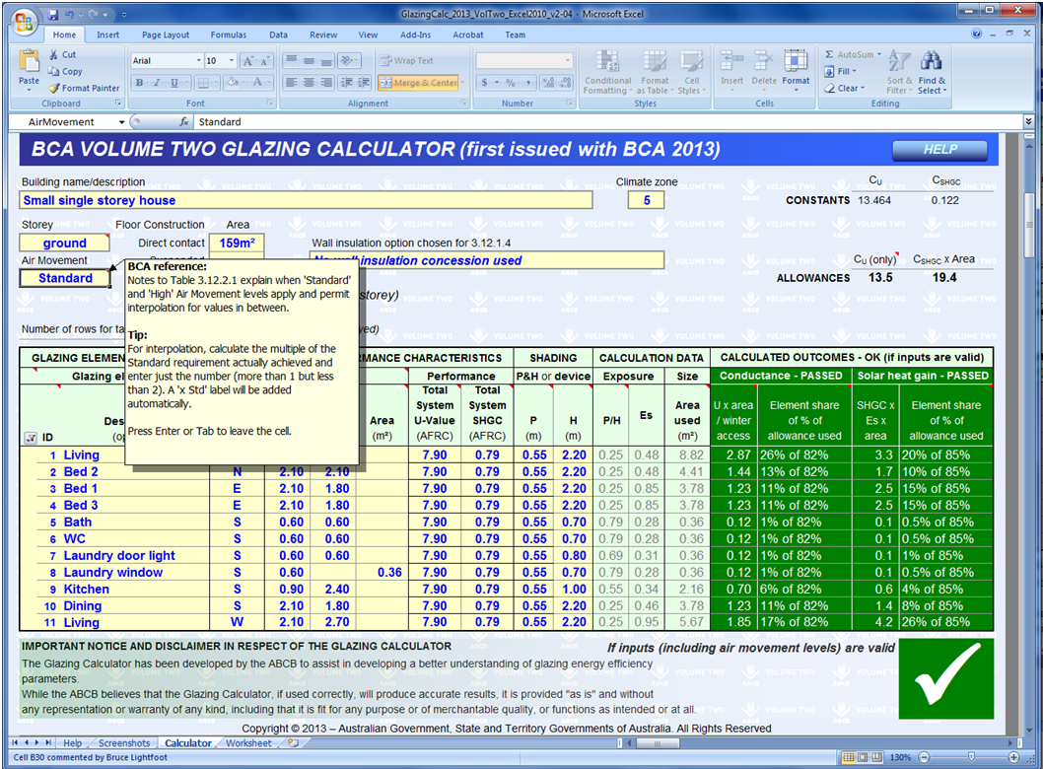
Cell tips:
Cells with red triangles have popup tips with advice or explanations about inputs or outcomes.
Inputs above the glazing elements table:
Upper inputs should be completed before listing glazing elements. Initial green fill (as seen in Screenshot 1 above) will be replaced by yellow as data is entered.
Inputs to the glazing elements table:
Rows remain uncoloured until the Facing sector input has been given. Yellow filled cells in each row accept user inputs.
Users' worksheet:
The worksheet on this tab allows for recording of notes and calculations (if desired).
Glazing allowances:
The Calculator provides these details once necessary inputs have been given.
Calculation data:
Light green filled columns show results of user inputs to the left. These results are for information and cannot be modified except by changing the inputs.
Calculated outcomes:
Outcomes for the glazing design appear here (unless the Calculator identifies input issues).
The column headings, a tick and green cell fill indicate passes. A cross and red cell fill highlight failures.
Area of each floor type on each storey:
Each storey needs a separate calculator form.
An area must be given for at least one type of Floor Construction but a second floor type on the same storey can also be entered.

RETURN TO CALCULATOR
RETURN TO HELP
3. | Error and alert messages:

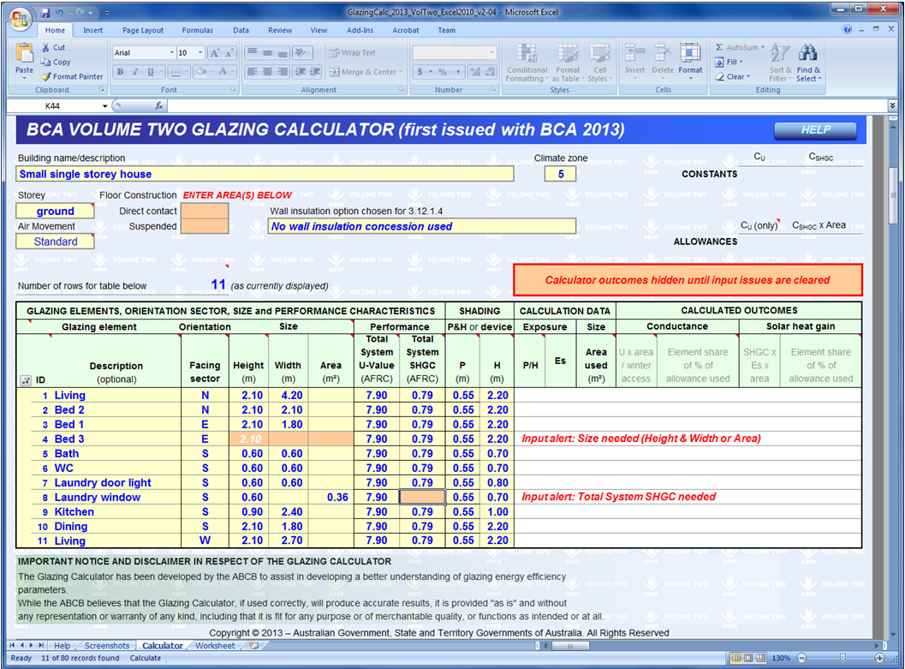
Messages above the glazing elements table:
Red text and tan fill highlight inputs missing after glazing elements have been listed.
Colour fills:
Cell colour highlights inputs mentioned in Error or Input alerts.
Input issues alert:
Calculated outcomes are hidden until all input issues are resolved.
Messages within the glazing elements table:
Each message here refers to the individual row in which it appears. In the first case, the glazing element has no size information. Height and Width are needed or (optionally) a value for the element area.

Calculator
HELP
BCA VOLUME TWO GLAZING CALCULATOR (first issued with BCA 2013)
ENTER BUILDING NAME AND DESCRIPTION BELOW - identifying the particular part(s) covered by this assessment |  |  |  |  |  |  |  |  |  |  |  |  | Climate zone |  |  |  | CU | CSHGC
 |  |  |  |  |  |  |  |  |  |  |  |  |  |  |  | CONSTANTS
Storey |  |  | Floor Construction | Area
 |  |  | Direct contact |  |  | Wall insulation option chosen for 3.12.1.4
(only)
Air Movement |  |  | Suspended |  |  |  |  |  |  |  |  |  |  |  |  |  | CU | CSHGC x Area
 |  |  |  |  |  |  |  |  |  |  |  |  |  |  |  | ALLOWANCES

Number of rows for table below |  |  |  | 40 | (as currently displayed)

GLAZING ELEMENTS, ORIENTATION SECTOR, SIZE and PERFORMANCE CHARACTERISTICS |  |  |  |  |  |  |  |  |  | SHADING |  | CALCULATION DATA |  |  | CALCULATED OUTCOMES
Glazing element |  |  |  | Orientation |  | Size |  | Performance |  | P&H or device |  | Exposure |  | Size | Conductance |  | Solar heat gain
 | ID | Description (optional) |  | Facing sector | Height (m) | Width (m) | Area (m²) | Total System U-Value (AFRC) | Total System SHGC (AFRC) | P (m) | H (m) | P/H | Es | Area used (m²) | U x area / winter access | Element share of % of allowance used | SHGC x Es x area | Element share of % of allowance used
40 | 1
40 | 2
40 | 3
40 | 4
40 | 5
40 | 6
40 | 7
40 | 8
40 | 9
40 | 10
40 | 11
40 | 12
40 | 13
40 | 14
40 | 15
40 | 16
40 | 17
40 | 18
40 | 19
40 | 20
40 | 21
40 | 22
40 | 23
40 | 24
40 | 25
40 | 26
40 | 27
40 | 28
40 | 29
40 | 30
40 | 31
40 | 32
40 | 33
40 | 34
40 | 35
40 | 36
40 | 37
40 | 38
40 | 39
40 | 40

IMPORTANT NOTICE AND DISCLAIMER IN RESPECT OF THE GLAZING CALCULATOR
The Glazing Calculator has been developed by the ABCB to assist in developing a better understanding of glazing energy efficiency parameters. While the ABCB believes that the Glazing Calculator, if used correctly, will produce accurate results, it is provided "as is" and without any representation or warranty of any kind, including that it is fit for any purpose or of merchantable quality, or functions as intended or at all. Your use of the Glazing Calculator is entirely at your own risk and the ABCB accepts no liability of any kind.
Copyright © 2013 – Australian Government, State and Territory Governments of Australia. All Rights Reserved

Worksheet
Users' worksheet:
This worksheet has been added at the request of industry for recording notes and making calculations (where desired).
To maintain the integrity of the Calculator, this sheet is protected causing some unavoidable restrictions on the functions available.
All cells below row 8 are accessible for user input, editing and formatting, subject to the limitations due to protection.
Use of this worksheet is optional and responsibility for its contents and consequences remains entirely with the user.

RETURN TO CALCULATOR

COMPLIANCE REPORT |  |  |  |  |  |  |  |  |  | BCA / Protocol v: / Report v:18 May 2015 | GLAZING & AIR MOVEMENT DATASHEET |  |  |  |  |  |  |  |  |  |  |  |  | BCA / Protocol v: / Report v:18 May 2015 | ROOF DATASHEET |  |  |  |  |  |  |  |  |  |  |  |  | BCA / Protocol v: / Report v:18 May 2015 | ROOF LIGHT DATASHEET |  |  |  |  |  |  |  |  | BCA / Protocol v: / Report v:18 May 2015 | EXTERNAL WALL DATASHEET |  |  |  |  |  |  |  |  |  | BCA / Protocol v: / Report v:18 May 2015 | FLOOR DATASHEET |  |  |  |  |  |  |  |  |  |  | BCA / Protocol v: / Report v:18 May 2015 | ARTIFICIAL LIGHTING DATASHEET |  |  |  |  |  | BCA / Protocol v: / Report v:18 May 2015
WA Alterations & Additions Protocol for Energy Efficiency (Protocol) |  |  |  |  |  |  |  |  |  |  | Climate zone: Data |  |  | Building site: Data |  |  |  |  |  |  |  |  | Storey assessed: |  | Climate zone: Data |  |  | Building site: Data |  |  |  |  |  |  |  |  |  |  | Climate zone: Data |  | Building site: Data |  |  |  |  |  |  |  | Climate zone: Data |  |  | Building site: Data |  |  |  |  |  |  |  | Climate zone: Data |  | Building site: Data |  |  |  |  |  |  |  |  |  | Climate zone: Data |  | Building site: Data
The Protocol is an Alternative Solution that describes a Building Solution that satisfies Performance Requirements P2.6.1 Building and P2.6.2 Services, when building work is undertaken on an existing Class 1 or Class 10 building. A Building Solution satisfies the Protocol when it complies with BCA Part 3.12 Energy Efficiency, except where the Protocol provides an alternative and the building work satisfies that alternative. |  |  |  |  |  |  |  |  |  |  | For Protocol B2.1.1 and B2.1.2 this DATASHEET reports glazing that is nominated as existing to allow for verification of performance values, and calculated air movement values, used on the GLAZING CALCULATOR report. |  |  |  |  |  |  |  |  |  |  |  |  |  | For BCA 3.12.2 this DATASHEET reports the required Total R-Value for added roof. |  |  |  |  |  |  |  |  |  |  |  |  |  | For Protocol B1.2 this DATASHEET reports minimum performance when roof light(s) are added or altered, and when the building work alters the way existing roof light compliance is achieved. |  |  |  |  |  |  |  |  |  | For Protocol B1.3.1 this DATASHEET reports the Total R-Value Target when altering an existing external wall. |  |  |  |  |  |  |  |  |  |  | For Protocol B1.4 this DATASHEET reports the Total R-Value Target when there are existing and added floor in the same space. |  |  |  |  |  |  |  |  |  |  |  | For Protocol C1.1.1 this DATASHEET reports the maximum wattage for the Class 1 building, attached verandah or balcony or associated Class10a building when there is existing, altered and/or added artificial lighting in the aggregate space area.
 |  |  |  |  |  |  |  |  |  |  |  |  |  |  |  |  |  |  |  |  |  |  |  |  | For Protocol B1.1.1 this DATASHEET reports the nominal Total R-Value for existing roof and the Total R-Value Target for altered roof. |  |  |  |  |  |  |  |  |  |  |  |  |  |  |  |  |  |  |  |  |  |  |  | For Protocol B1.3.2 this DATASHEET reports the Total R-Value Target when there is existing, altered and/or added external wall in the same space.
 |  |  |  |  |  |  |  |  |  |  | For Protocol B4.1 this DATASHEET reports air movement calculations for nominated habitable rooms. |  |  |  |  |  |  |  |  |  |  |  |  |  | For Protocol B1.1.2 this DATASHEET reports the area weighted Total R-Value Target when there is existing, altered and/or added roof in the same space. |  |  |  |  |  |  |  |  |  |  |  |  |  |  |  |  |  |  |  |  |  |  |  |  |  |  |  |  |  |  |  |  |  |  |  |  |  |  |  | For an area weighted value: if there is existing and added floor in the same space, nominate the space(s) and the m2 area of each floor type in the space.
The Protocol provides two compliance options. This Building Solution has been assessed using: |  |  |  |  |  |  |  |  |  |  |  |  |  |  |  |  |  |  |  |  |  |  |  |  | For Protocol B1.1.3 this DATASHEET reports the maximum percentage of ceiling area uninsulated and any required increase in insulation R-Value when there are existing, altered and/or added penetrations in the aggregate space area. |  |  |  |  |  |  |  |  |  |  |  |  |  |  |  | Storey that applies for the nominated space |  |  |  |  |  |  |  |  |  |  |  | For an area weighted value: if there is existing, altered and/or added external wall in the same space, nominate the space(s) and the m2 area of each wall type in the space.
A. The HERS option of the Protocol |  |  |  |  |  |  |  |  |  | Not applicable |  |  |  |  |  |  |  |  |  |  | Habitable room(s) nominated as part of the building work for the storey |  |  |  |  |  |  |  |  |  |  |  |  |  |  |  |  |  |  |  |  |  |  |  |  |  |  |  |  |  |  |  |  |  |  |  |  |  |  |  |  |  |  |  |  |  |  |  | Space description(s) |  |  |  |  |  | Calculation method | Lamp power density
B. The EP option of the Protocol |  |  |  |  |  |  |  |  |  | Applies |  |  |  |  |  |  |  |  |  |  | Room description |  |  |  |  |  |  |  |  |  |  |  |  |  |  |  |  |  |  |  | Habitable room or interconnecting space nominated as part of the building work |  |  |  |  |  |  |  |  |  |  |  |  |  |  |  | Space description(s)
C. The Services option of the Protocol |  |  |  |  |  |  |  |  |  | Applies |  |  |  |  |  |  |  | Ventilation opening size |  |  |  |  |  |  |  |  |  |  |  | For an area weighed value: if there is existing, altered and/or added roof in the same space, nominate the space(s) and the m2 area of each roof type in the space.
 |  |  |  |  |  |  |  |  |  |  |  |  |  |  |  |  |  |  |  |  |  |  |  |  |  |  |  |  |  |  |  |  |  |  |  |  |  |  |  |  |  |  |  |  |  |  |  |  |  |  |  |  |  |  |  |  |  |  |  |  |  |  |  |  |  |  |  | Existing added insul R-Value | Nominal Total R-Value |  |  | Class 1 building
For the nominated Protocol options, the scope of Energy Efficiency compliance that applies for the building work is nominated below: |  |  |  |  |  |  |  |  |  |  |  |  |  |  |  |  |  |  |  |  |  |  |  |  |  |  |  |  |  |  |  |  |  |  | Space description(s) |  |  |  |  |  |  |  |  | Floor area of the space (m2) |  |  |  |  |  |  |  |  |  |  |  | Existing added insul R-Value | Nominal Total R-Value |  |  | Floor 1: Existing floor construction |  |  |  |  |  |  |  |  |  | Area (m2) existing and added floor in the space |  |  |  |  | Aggregate area of all spaces |  | m2
BCA 3.12.1.1 Building fabric thermal insulation |  |  |  |  |  |  |  |  |  |  |  |  |  |  |  |  |  |  |  |  |  |  |  |  |  |  |  |  |  |  |  |  |  |  |  |  |  |  |  |  |  |  |  |  |  |  |  |  |  |  |  |  |  |  |  |  |  | Area (m2) existing, altered and/or added ext wall in space |  | Floor type |  |  | Enclosure and height |  |  | Enclosing material
 |  |  |  |  |  |  |  |  |  |  | Glazing nominated as part of the building work for the storey |  |  |  |  | Nominate if: |  | Nominal frame |  |  | Floor area of the room |  |  |  |  |  |  |  |  |  |  |  |  |  |  |  |  |  |  | Roof opening dimension |  |  |  |  |  |  |  |  | Wall 1: Existing wall construction |  |  |  |  |  |  |  |  |  |  |  |  |  |  |  |  |  |  |  |  |  |  |  |  |  | MAXIMUM total wattage
BCA 3.12.1.2 Roofs, |  |  | Protocol B1.1.1 (Total R-Value Target for an altered roof) |  |  |  |  |  |  |  |  |  |  |  |  | Existing (incl altered) glazing | Existing glazing AND part of building work | width | 0.02 | (m) |  |  |  |  |  |  |  |  |  |  |  |  | Existing added insul R-Value |  | Nominal Total R-Value |  |  |  |  | Width x Length (mm) |  | Diam (mm) | Shaft length (mm) | Shaft index | Total area roof light(s) as a % of floor area |  | Total System U-Value | Total System SHGC
and Protocol alternative(s): |  |  | Protocol B1.1.2 (Total R-Value Target for existing, altered and/or added roof) |  |  |  |  |  |  |  |  |  |  |  |  |  |  |  |  |  | Nominate if the room is with or without a ceiling fan or evaporative cooler |  |  |  |  |  |  |  |  |  |  |  |  |  |  | Area (m2) existing, altered and/or added roof in space
 |  |  | ROOF DATASHEET reports Total R-Value Target calculations |  |  |  |  |  |  |  |  |  |  |  |  |  |  | Nominal |  |  |  |  |  |  | Roof 1: Existing roof construction |  |  |  |  |  |  |  |  |  |  |  |  |  | Roof light 1 |  |  |  |  |  |  |  |  |  |  |  |  |  |  |  |  | Shading as per BCA Fig 3.12.1.2 | Total R-Value Target |  |  |  |  |  |  |  |  |  |  | Existing added insul R-Value
 |  |  | Protocol B1.1.3 (percentage of ceiling area uninsulated for added and/or altered roof) |  |  |  |  |  |  |  | Glazing as nominated on the GLAZING CALCULATOR |  |  |  |  |  |  | Height (m) | Width (%) | Area (m2) | Required minimum total ventilation opening area as a percentage of the floor area |  |  |  |  |  |  |  |  |  |  |  |  |  |  |  |  |  | 2 |  |  |  |  |  |  |  |  |  |  | Altered wall construction |  |  |  |  |  |  |  |  |  | Floor 2: Existing floor construction (second option) |  |  |  |  |  |  |  |  |  |  |  | Attached verandah or balcony
 |  |  | ROOF DATASHEET reports the nominated maximum percentage ceiling uninsulated calculation |  |  |  |  |  |  |  |  |  |  |  |  |  |  |  |  |  |  |  |  |  |  |  |  |  |  |  |  |  |  |  |  |  |  |  | 3 |  |  |  |  |  |  |  |  |  |  | Wall 1A: Alteration to existing wall |  |  |  |  |  |  |  |  |  | Floor type |  |  | Enclosure and height |  |  | Enclosing material |  |  |  |  |  |  |  |  | Description
 |  |  |  |  |  |  |  |  |  |  | ID |  | Description | H(m) | W(m) |  |  |  |  |  | Place a "Dot" to correlate ventilation opening and the room it serves |  |  |  |  | Altered roof construction |  |  |  |  |  | Ventilation and Heat flow | Roof cover upper surf solar abs |  | Total R-Value Target
BCA 3.12.1.3 Roof lights, |  |  | Protocol B1.2 (existing and altered roof lights) |  |  |  |  |  |  |  | 1 |  |  |  |  |  |  |  |  |  |  |  |  |  |  | Roof 1A: Alteration to existing roof |  |  |  |  |  |  |  |  |  |  |  |  |  |  |  |  |  |  |  |  |  |  |  |  |  |  |  |  |  |  |  |  |  |  |  |  |  |  |  |  |  |  |  |  |  |  |  |  | Aggregate area |  | m2
and Protocol alternative(s): |  |  | ROOF LIGHT DATASHEET reports Total System U-Value/SHGC calculations |  |  |  |  |  |  |  | 2 |  |  |  |  |  |  |  |  |  |  |  |  |  |  | Cover |  | Ceiling
 |  |  |  |  |  |  |  |  |  |  | 3 |  |  |  |  |  |  |  |  |  |  |  |  |  |  |  |  |  |  |  |  |  |  |  |  |  |  |  |  |  | Storey that applies for the nominated space |  |  |  |  |  |  |  |  | Wall 1B: Alteration to existing wall (second option) |  |  |  |  |  |  |  |  |  |  |  |  |  |  |  |  |  |  |  |  |  |  |  |  | MAXIMUM total wattage
BCA 3.12.1.4 External walls, |  |  | Protocol B1.3.1 (Total R-Value Target for an altered external wall) |  |  |  |  |  |  |  | 4
and Protocol alternative(s): |  |  | Protocol B1.3.2 (Total R-Value Target for existing, altered and/or added external walls) |  |  |  |  |  |  |  | 5 |  |  |  |  |  |  |  |  |  |  |  |  |  |  |  |  |  |  |  |  |  |  |  |  |  |  |  |  |  | Habitable room or interconnecting space nominated as part of the building work |  |  |  |  |  |  |  |  |  |  |  |  |  |  |  |  |  |  |  |  |  |  |  |  |  |  |  | Req'd Total R-Value
 |  |  | Protocol B1.3.3 (filling existing openings in an external wall) |  |  |  |  |  |  |  | 6 |  |  |  |  |  |  |  |  |  |  |  |  |  |  | Roof 1B: Alteration to existing roof (second option) |  |  |  |  |  |  |  |  |  |  |  |  |  |  |  |  |  |  |  |  |  |  |  |  |  |  |  |  |  |  |  |  |  | Floor 3: Added floor construction |  |  |  |  |  |  |  |  |  |  |  | Attached verandah or balcony (second option)
 |  |  | EXTERNAL WALL DATASHEET reports Total R-Value calculations |  |  |  |  |  |  |  | 7 |  |  |  |  |  |  |  |  |  |  |  |  |  |  | Cover |  | Ceiling |  |  |  |  |  |  |  |  |  |  |  |  |  |  |  |  |  |  |  |  |  |  |  |  |  |  |  | Existing added insul R-Value | Nominal Total R-Value |  |  | Floor type |  |  | Enclosure and height |  |  | Enclosing material |  |  |  |  |  |  |  |  | Description (second option)
 |  |  |  |  |  |  |  |  |  |  | 8 |  |  |  |  |  |  |  |  |  |  |  |  |  |  |  |  |  |  |  |  |  |  |  |  |  |  |  |  |  |  |  |  | Floor area of the space (m2)
BCA 3.12.1.5 Floors, |  |  | Protocol B1.4.1 (Total R-Value Target for existing and added floor) |  |  |  |  |  |  |  | 9 |  |  |  |  |  |  |  |  |  |  |  |  |  |  |  |  |  |  |  |  |  |  |  |  |  |  |  |  |  |  |  |  |  |  |  |  |  | Wall 2: Existing wall construction |  |  |  |  |  |  |  |  |  |  |  |  |  |  |  |  |  |  |  |  |  |  |  |  |  | Aggregate area |  | m2
and Protocol alternative(s): |  |  | FLOOR DATASHEET reports Total R-Value calculations |  |  |  |  |  |  |  | 10 |  |  |  |  |  |  |  |  |  |  |  |  |  |  |  |  |  |  |  |  |  |  |  |  |  |  |  |  | Roof opening dimension
 |  |  |  |  |  |  |  |  |  |  | 11 |  |  |  |  |  |  |  |  |  |  |  |  |  |  |  |  |  |  |  |  |  | Existing added insul R-Value |  | Nominal Total R-Value |  |  |  |  | Width x Length (mm) |  | Diam (mm) | Shaft length (mm) | Shaft index | Total area roof light(s) as a % of floor area |  | Total System U-Value | Total System SHGC |  |  |  |  |  |  |  |  |  |  |  |  |  |  |  |  |  |  |  |  |  |  |  |  |  |  | MAXIMUM total wattage
BCA 3.12.1.6 Attached Class 10a blds, |  |  | Protocol B1.5.1 (existing and altered attached Class 10a buildings) |  |  |  |  |  |  |  | 12 |  |  |  |  |  |  |  |  |  |  |  |  |  |  |  |  |  |  |  |  |  |  |  |  |  |  |  |  |  |  |  |  |  |  |  |  |  |  |  |  |  |  |  |  | Shading as per BCA Fig 3.12.1.2 | Total R-Value Target |  |  | Floor 4: Added floor construction (second option)
and Protocol alternative(s): |  |  |  |  |  |  |  |  |  |  | 13 |  |  |  |  |  |  |  |  |  |  |  |  |  | Roof 2: Existing roof construction (second option) |  |  |  |  |  |  |  |  |  |  |  |  |  | Roof light 1 |  |  |  |  |  |  |  |  |  |  | Altered wall construction |  |  |  |  |  |  |  |  |  | Floor type |  |  | Enclosure and height |  |  | Enclosing material
 |  |  |  |  |  |  |  |  |  |  | 14 |  |  |  |  |  |  |  |  |  |  |  |  |  |  |  |  |  |  |  |  |  |  |  |  |  |  |  | 2 |  |  |  |  |  |  |  |  |  |  | Wall 2A: Alteration to existing wall
Part 3.12.2 External glazing, |  |  | Protocol B2.1.1 (Conductance and Solar Heat Gain Targets for added glazing) |  |  |  |  |  |  |  | 15 |  |  |  |  |  |  |  |  |  |  |  |  |  |  |  |  |  |  |  |  |  |  |  |  |  |  |  | 3 |  |  |  |  |  |  |  |  |  |  |  |  |  |  |  |  |  |  |  |  |  |  |  |  |  |  |  |  |  |  |  |  | Associated Class 10a building
and Protocol alternative(s): |  |  | Protocol B2.1.2 (Conductance and Solar Heat Gain Targets for altered glazing) |  |  |  |  |  |  |  | 16 |  |  |  |  |  |  |  |  |  |  |  |  |  |  | Altered roof construction |  |  |  |  |  | Ventilation and Heat flow | Roof cover upper surf solar abs |  | Total R-Value Target |  |  |  |  |  |  |  |  |  |  |  |  |  |  |  |  |  |  |  |  |  |  |  |  |  |  |  |  |  |  |  |  |  | Space area totals (m2) |  |  |  |  |  | Description
 |  |  | GLAZING CALCULATOR report(s) show BCA 3.12.2 C/SHG %'s and GLAZING & AIR MOVEMENT DATASHEET(s) report B2.1.1 C/SHG Target %'s and air movement calculations per storey for: |  |  |  |  |  |  |  | 17 |  |  |  |  |  |  |  |  |  |  |  |  |  |  | Roof 2A: Alteration to existing roof
 |  |  |  |  |  |  |  |  |  |  | 18 |  |  |  |  |  |  |  |  |  |  |  |  |  |  | Cover |  | Ceiling |  |  |  |  |  |  |  |  |  |  |  |  |  |  |  |  |  |  |  |  |  | Wall 2B: Alteration to existing wall (second option) |  |  |  |  |  |  |  |  |  |  |  |  |  | Area weighted Total R-Value Target for ALL floor in: |  |  |  |  | Each space |  |  |  |  |  | Aggregate area |  | m2
 |  |  |  |  | and |  |  |  |  |  | 19 |  |  |  |  |  |  |  |  |  |  |  |  |  |  |  |  |  |  |  |  |  |  |  |  |  |  |  |  |  | Storey that applies for the nominated space |  |  |  |  |  |  |  |  |  |  |  |  |  |  |  |  |  |  |  |  |  |  |  |  |  |  |  | ALL spaces
 |  |  |  |  |  |  |  |  |  |  | 20 |  |  |  |  |  |  |  |  |  |  |  |  |  |  |  |  |  |  |  |  |  |  |  |  |  |  |  |  |  |  |  |  |  |  |  |  |  |  |  |  |  |  |  |  |  |  |  |  |  |  |  |  |  |  |  |  |  |  |  |  |  |  |  | MAXIMUM total wattage
Part 3.12.3 Building sealing, |  |  | BCA 3.12.3(b): Exempt, evaporative cooler is the only means of air-conditioning the building |  |  |  |  |  |  |  | 21 |  |  |  |  |  |  |  |  |  |  |  |  |  |  |  |  |  |  |  |  |  |  |  |  |  |  |  |  |  | Habitable room or interconnecting space nominated as part of the building work
and Protocol alternative(s): |  |  | B3.1 (existing or altered building sealing) |  |  |  |  |  |  |  | 22 |  |  |  |  |  |  |  |  |  |  |  |  |  |  | Roof 2B: Alteration to existing roof (second option) |  |  |  |  |  |  |  |  |  |  |  |  |  |  |  |  |  |  |  |  |  |  |  |  |  |  |  |  |  | Shading as per BCA Fig 3.12.1.2 | Req'd Total R-Value
 |  |  |  |  |  |  |  |  |  |  | 23 |  |  |  |  |  |  |  |  |  |  |  |  |  |  | Cover |  | Ceiling |  |  |  |  |  |  |  |  |  |  |  |  |  |  |  |  |  |  |  |  |  |  |  |  |  |  |  |  |  |  |  |  |  |  |  |  |  |  | Floor construction (uninsulated, includes height and enclosure nominated above) |  |  | Minimum added insulation R-Value |  | Associated Class 10a building (second option)
Part 3.12.4 Air movement, |  |  | BCA 3.12.4.1(c): Exempt, building in Region D severe tropical cyclone area |  |  |  |  |  |  |  | 24 |  |  |  |  |  |  |  |  |  |  |  |  |  |  |  |  |  |  |  |  |  |  |  |  |  |  |  |  |  |  |  |  | Floor area of the space (m2) |  |  |  |  | Wall 3: Added wall construction |  |  |  |  |  |  |  |  |  |  | Added insulation calculation for nominated floor construction: |  |  |  | Calculated Total R-Value Target |  |  |  |  |  |  |  |  |  |  | Description (second option)
and Protocol alternative(s): |  |  | Protocol B4.1.1 (existing and altered air movement) |  |  |  |  |  |  |  | 25
 |  |  | Protocol B4.1.2 (breeze path connected to an existing ventilation opening) |  |  |  |  |  |  |  | 26 |  |  |  |  |  |  |  |  |  |  |  |  |  |  |  |  |  |  |  |  |  |  |  |  |  |  |  |  | Roof opening dimension |  |  |  |  |  |  |  |  |  |  |  |  |  |  |  |  |  |  |  | Floor 1 | Existing floor construction |  |  |  | less the R-Value of: |  |  |  |  |  |  |  |  |  | Aggregate area of all spaces
 |  |  | GLAZING & AIR M/MENT D/SHEET(s) report calculations per storey for: |  |  |  |  |  |  |  | 27 |  |  |  |  |  |  |  |  |  |  |  |  |  |  |  |  |  |  |  |  |  | Roof cover upper surf solar abs |  | Required Total R-Value |  |  |  |  | Width x Length (mm) |  | Diam (mm) | Shaft length (mm) | Shaft index | Total area roof light(s) as a % of floor area |  | Total System U-Value | Total System SHGC | Wall 4: Added wall construction (second option) |  |  |  |  |  |  |  |  |  |  | Floor 2 | Existing floor construction
 |  |  |  |  |  |  |  |  |  |  | 28 |  |  |  |  |  |  |  |  |  |  |  |  |  |  |  |  |  |  |  |  |  |  |  |  |  |  |  |  |  |  |  |  |  |  |  |  |  |  |  |  |  |  |  |  |  |  |  |  |  |  |  |  |  |  |  |  |  |  |  |  |  |  |  | MAXIMUM total wattage
Part 3.12.5 Services, |  |  | Protocol C1.1.1 (artificial lighting in existing and altered space) |  |  |  |  |  |  |  | 29 |  |  |  |  |  |  |  |  |  |  |  |  |  | Roof 3: Added roof construction |  |  |  |  |  |  |  |  |  |  |  |  |  | Roof light 1 |  |  |  |  |  |  |  |  |  |  |  |  |  |  |  |  |  |  |  |  | Floor 3 | Added floor construction
and Protocol alternative(s): |  |  | ARTIFICIAL LIGHTING DATASHEET reports nominated maximum wattage calculations |  |  |  |  |  |  |  | 30 |  |  |  |  |  |  |  |  |  |  |  |  |  |  |  |  |  |  |  |  |  |  |  |  |  |  |  | 2 |  |  |  |  |  |  |  |  |  |  |  |  |  |  |  |  |  | Space area totals (m2) |  |  | Floor 4 | Added floor construction
 |  |  | Protocol C1.2.1 (relocation of an existing heated water supply system) |  |  |  |  |  |  |  | 31 |  |  |  |  |  |  |  |  |  |  |  |  |  |  |  |  |  |  |  |  |  |  |  |  |  |  |  | 3
 |  |  |  |  |  |  |  |  |  |  | 32 |  |  |  |  |  |  |  |  |  |  |  |  |  | Roof 4: Added roof construction (second option) |  |  |  |  |  |  |  |  |  |  |  |  |  |  |  |  |  |  |  |  |  |  |  |  |  |  |  | Area weighted value Total R-Value Target for ALL walls in: |  |  |  | Each space |  |  |  |  |  |  |  |  |  |  |  |  |  |  | Note 1: | BCA 3.12.5.5(a): when lamp power density is used, compliance verified by multiplying the aggregate area (m2) by the prescribed W/m2 to determined the "total of the maximum power rating of the lamps". It is not necessary to provide an electrical plan nominating individual lighting location or wattage.
For the scope of building work being undertaken, the WA Additions: |  |  |  |  |  |  |  |  |  |  | 33 |  |  |  |  |  |  |  |  |  |  |  |  |  |  |  |  |  |  |  |  |  |  |  |  |  |  |  |  |  |  |  |  |  |  |  |  |  |  |  |  |  |  |  |  |  | ALL spaces |  |  | Note 1 | Total R-Values: climate zones 1 & 3 performance is for heat flow upward, climate zones 4, 5 & 6 performance is for heat flow downward.
 |  |  |  |  |  |  |  |  |  |  | 34 |  |  |  |  |  |  |  |  |  |  |  |  |  |  |  |  |  |  |  |  |  |  |  |  |  |  |  |  |  |  |  |  |  | Percentage of storey floor area |  |  |  |  |  |  |  |  |  |  |  |  |  |  | Additional notes that apply for this DATASHEET:
Compliance statement |  |  |  |  |  |  |  |  |  |  | 35 |  |  |  |  |  |  |  |  |  |  |  |  |  |  |  |  |  |  |  |  |  |  |  | Space area totals (m2) |  |  |  |  |  |  |  | Nominate storey (m2) |  |  | 3.12.1.3(a) outcome |  |  |  |  |  |  |  |  |  |  |  |  |  |  |  |  |  |  |  |  |  |  |  |  |  | Additional notes that apply for this DATASHEET:
Building site | Data |  |  |  |  |  | Ref dwgs |  |  |  | 36 |  |  |  |  |  |  |  |  |  |  |  |  |  |  |  |  |  |  |  |  |  |  |  |  |  |  |  | Storey summary |  |  | Storey |  |  |  |  |  |  |  |  |  |  |  |  |  | Air space will be filled with bulk insulation
Climate zone | Data |  | Project ref |  |  |  |  |  |  |  | 37 |  |  |  |  |  |  |  |  |  |  |  |  |  |  |  |  |  |  |  | Area weighted Total R-Value Target for ALL roofs in: |  |  |  | Each space |  |  |  | Aggregate area of roof lights serving a storey as a percentage of the total storey floor area |  |  | Ground |  |  |  |  |  |  |  |  |  |  | Calculated Total R-Value Target. |  | Wall construction (uninsulated) |  |  | Minimum added insulation R-Value
 |  |  |  |  |  |  |  |  |  |  | 38 |  |  |  |  |  |  |  |  |  |  |  |  |  |  |  |  |  |  |  |  |  |  |  | ALL spaces |  |  |  |  |  |  | First |  |  |  |  |  |  | Added insulation calculation for nominated external wall(s) construction: |  |  |  |  |  |  |  | Air space (if filled)
Notes that apply for this report: |  |  |  |  |  |  |  |  |  |  | 39 |  |  |  |  |  |  |  |  |  |  |  |  |  |  |  |  |  |  |  |  |  |  |  |  |  |  |  |  |  |  | Second
 |  |  |  |  |  |  |  |  |  |  | 40 |  |  |  |  |  |  |  |  |  |  |  |  |  |  |  |  |  |  |  | Added | Altered/existing |  |  |  |  |  |  |  |  |  | Third |  |  |  |  |  |  | Wall 1 |  | Existing wall construction |  |  | less the R-Value of:
 |  |  |  |  |  |  |  |  |  |  |  |  |  |  |  |  |  |  |  |  |  |  |  |  |  |  |  |  |  | Aggregate ceiling insulation area of all spaces |  |  |  | m2 |  |  |  |  |  |  |  |  |  |  |  |  |  |  | Wall 1A |  | Alteration to existing wall
 |  |  |  |  |  |  |  |  |  |  | Other ventilation openings that contribute to building work air movement (not listed on Glazing Calculator) |  |  |  |  |  |  |  |  |  |  |  |  |  |  |  |  |  |  |  |  |  |  |  |  |  |  |  | Note 1 | Roof and ceiling opening size: Calculations presume the same size applies (see Table 3.12.1.2 Notes 1 and 3). |  |  |  |  |  |  |  |  | Wall 1B |  | Alteration to existing wall
 |  |  |  |  |  |  |  |  |  |  | 41 |  |  |  |  |  |  |  |  |  |  |  |  |  |  |  |  |  |  | Max percentage of ceiling area uninsulated LESS THAN |  |  |  | after the altered and/or existing ceiling area 0.5%max concession is applied |  |  |  |  | Note 2 | BCA 3.12.1.3(b): Minimum area required by Part 3.8.5 is 5%, therefore 150% x 5% = 7.5%, but the allowable roof light contribution will be less when other ventilation openings also contribute to natural ventilation. If invoked, separate calculations must be provided.
 |  |  |  |  |  |  |  |  |  |  | 42 |  |  |  |  |  |  |  |  |  |  |  |  |  |  |  |  |  |  |  |  |  |  |  |  |  |  |  |  |  |  |  |  |  |  |  |  |  | Wall 2 |  | Existing wall construction
 |  |  |  |  |  |  |  |  |  |  | 43 |  |  |  |  |  |  |  |  |  |  |  |  |  |  |  |  |  |  |  |  |  |  |  |  |  |  |  | Additional notes that apply for this DATASHEET: |  |  |  |  |  |  |  |  |  | Wall 2A |  | Alteration to existing wall
 |  |  |  |  |  |  |  |  |  |  | 44 |  |  |  |  |  |  |  |  |  |  |  |  |  |  |  |  |  | Calculated Total R-Value Target |  | Roof construction (uninsulated) | Insulation at underside roof cover | Air space will be filled with bulk insulation |  | Air space (if filled) | Min R-Value of ceiling level added insulation | Min R-Value adjusted for ceiling area uninsulated |  |  |  |  |  |  |  |  |  |  |  | Wall 2B |  | Alteration to existing wall
I am appropriately qualified to undertake this assessment and have determined that the building work satisfies the Protocol if it complies with the nominated provisions and achieves the minimum calculated values. |  |  |  |  |  |  |  |  |  |  | 45
 |  |  |  | Date |  |  | BCA edition (year) |  | Protocol version (date) |  | 46 |  |  |  |  |  |  |  |  |  |  |  |  |  | Added insulation calculation for nominated roof(s) construction: |  |  |  |  |  |  |  |  |  |  |  |  |  |  |  |  |  |  |  |  |  |  |  | Wall 3 |  | Added wall construction
 |  |  |  |  |  |  |  |  |  |  | 47 |  |  |  |  |  |  |  |  |  |  |  |  |  |  |  |  |  |  |  |  |  |  |  |  |  |  |  |  |  |  |  |  |  |  |  |  |  | Wall 4 |  | Added wall construction
 |  |  |  | Name |  |  | Business |  |  |  | 48 |  |  |  |  |  |  |  |  |  |  |  |  |  | Roof 1 |  | Existing roof construction |  |  | less the R-Value of:
 |  |  |  |  |  |  |  |  |  |  | 49 |  |  |  |  |  |  |  |  |  |  |  |  |  | Roof 1A |  | Alteration to existing roof
 |  |  |  | Job No. |  | Phone |  | Email |  |  | 50 |  |  |  |  |  |  |  |  |  |  |  |  |  | Roof 1B |  | Alteration to existing roof |  |  |  |  |  |  |  |  |  |  |  |  |  |  |  |  |  |  |  |  |  | Note 1 |  | The Protocol only supports external wall options listed in BCA Table 3.12.1.3a.
 |  |  |  |  |  |  |  |  |  |  |  |  |  |  |  |  |  |  |  |  |  |  |  |  |  |  |  |  |  |  |  |  |  |  |  |  |  |  |  |  |  |  |  |  |  |  |  |  | Note 2 |  | BCA Fig 3.12.1.3 (f): Likely common existing wall construction will include internal render, R0.02 has been added to the Total R-Value.
The PERMIT HOLDER is responsible for achieving as-built compliance with the nominated provisions and calculated values. |  |  |  |  |  |  |  |  |  |  | Protocol B2.1.1 or B2.1.2 outcome: |  |  |  |  |  |  |  |  |  | Ventilation opening outcome for each habitable room |  |  |  | Roof 2 |  | Existing roof construction |  |  |  |  |  |  |  |  |  |  |  |  |  |  |  |  |  |  |  |  |  | Note 3 |  | "Adding render or cladding to an existing external wall" option: applies when no material layers are removed from the existing wall. When used, nominate the add wall construction R-Value and adjust down the calculated added insulation R-Value.
 |  |  |  |  |  |  |  |  |  |  | New glazing percentage: |  |  |  |  |  |  |  |  | Calculated m2 |  |  |  |  | Roof 2A |  | Alteration to existing roof
 | Worksheet publisher notices |  |  |  |  |  |  |  |  |  |  | Area of new glazing |  |  |  | 0.00 |  |  |  | Min required m2 |  |  |  |  | Roof 2B |  | Alteration to existing roof |  |  |  |  |  |  |  |  |  |  |  |  |  |  |  |  |  |  |  |  |  | Additional notes that apply for this DATASHEET:
Original | 01 May 2014 |  |  |  |  |  |  |  |  |  |  | Area of existing glazing |  |  |  | 0.00 |  |  |  | Outcome
Amd No. | Date | Description |  |  |  |  |  |  |  |  |  | Area of all glazing of the storey |  |  |  | 0.00 | m2 |  |  |  |  |  |  |  | Roof 3 |  | Added roof construction
2 | 20 Oct 2014 | Correction of "Max percentage of ceiling area uninsulated LESS THAN" description |  |  |  |  |  |  |  |  |  |  |  |  |  |  |  |  |  |  | BCA Table 3.12.2.1 GLAZING CALCULATOR air movement value(s): |  |  |  | Roof 4 |  | Added roof construction
3 | 13 Feb 2015 | Correction to Floor data sheet formulas, High air movement, and Added building fabric Total R-Value descriptions |  |  |  |  |  |  |  |  |  | Percentage of new glazing area: |  |  |  | Data |  |  |  |  | When each habitable room that is part of the building work is included, using:
4 | 18 May 2015 | Correction to Roof datasheet formula for min R-Value added insulation at ceiling level when air space filled with bulk insulation |  |  |  |  |  |  |  |  |  |  |  |  |  |  |  |  |  | Note 1: |  |  |  |  | Note 1 |  | BCA Fig 3.12.1.1(a): Likely common existing tiled roof cover and/or ventilated option roof constructions have been added to roof types shown, calculated Total R-Values declared above.
Version | 18 May 2015 |  |  |  |  |  |  |  |  |  | GLAZING CALCULATOR outcomes: |  |  |  |  |  |  |  |  |  | When ALL habitable rooms for the storey are included, using:
 |  |  |  |  |  |  |  |  |  |  |  | Conductance |  |  |  |  |  |  |  | Note 2(a): |  |  |  |  | Note 2 |  | BCA Fig 3.12.1.1 (b): Likely common existing ventilated roof construction options have been added to roof types shown and "generic" tiled/metal construction has been adjusted to separate tile or metal cover, calculated Total R-Values declared above.
Open-exchange-use: This publication has been developed by Building Commons. Building Commission WA is granted open-exchange use and distribution rights. |  |  |  |  |  |  |  |  |  |  |  | Solar Heat Gain |  |  |  |  |  |  |  | 900mm diam, or
 |  |  |  |  |  |  |  |  |  |  |  |  |  |  |  |  |  |  |  | 1200mm diam |  |  |  |  | Note 3 |  | Climate Zone 3: heat flow up and down applies, Total R-Value shown are for the worst-case heat flow Up.
Disclaimer: The purpose of this publication is to provide building professionals with a guide to the application of the WA Alterations & Additions Protocol for Energy Efficiency (Protocol) to existing Class 1 buildings in Western Australia. This publication is only a guide and may not apply in every instance. Building professionals must familiarise themselves with the Protocol. The publisher gives no undertakings, guarantees, or warranties concerning the accuracy, completeness or fitness for purpose of this publication. To the maximum extent permissible by law, the publisher excludes liability for loss suffered by any person resulting in any way from the use of or reliance upon this publication. |  |  |  |  |  |  |  |  |  |  | Protocol B2.1.1 proportion calculation outcomes: |  |  |  |  |  |  |  |  |  |  |  |  |  | Note 4 |  | BCA 3.12.1.2(e): compliance verified by nominating building work ceiling insulation area, maximum percentage of ceiling insulation area that can be lost to installed penetrations, and the R-Value required for ceiling insulation with no penetrations; then calculating the required minimum installed R-Value using Protocol B1.1.3. It is not necessary to provide an electrical plan nominating individual penetration location or size.
 |  |  |  |  |  |  |  |  |  |  |  | Max Conductance % allowance |  |  |  |  | Data |  |  | Note 2(b): |  | or
 |  |  |  |  |  |  |  |  |  |  |  | Max Solar Heat Gain % allowance |  |  |  |  | Data
 |  |  |  |  |  |  |  |  |  |  |  |  |  |  |  |  |  |  |  |  |  |  |  |  | Note 5 |  | BCA Table 3.12.1.1b: Insulation R-Values less than R1.0 adjusted for penetrations using a worst-case "as for R1.0" proportional increase.
 |  |  |  |  |  |  |  |  |  |  | Note 1 |  | BCA 3.12.2: External glazing is a per storey assessment. Building work undertaken on more than one storey requires additional Glazing calculations. |  |  |  |  |  |  |  |  |  |  |  | Additional notes that apply for this DATASHEET:
 |  |  |  |  |  |  |  |  |  |  | Note 2 |  | BCA 3.12.4: Air movement is not a per storey assessment, but the simplied calculation method is based on per storey Glazing Calculator data.
 |  |  |  |  |  |  |  |  |  |  | Additional notes that apply for this DATASHEET:

