Notes
Western Australia Tomorrow
Population Report No. 11
Medium Term Population Forecasts for Western Australia 2016 to 2031
About
WA Tomorrow is a series of population forecasts for the State of Western Australia based on historical trends. The forecasts represent the best estimate of future population size if trends in fertility, mortality and migration continue.
WA Tomorrow uses a hybrid geography, but reflects as closely as possible the current Australian Statistical Geography Standard (ASGS) 2016, produced by the Australian Bureau of Statistics (ABS) (See Geography tab). The forecasts refer to the 30 June in each stated year.
For the user who requires only one forecast, Band C should be used.
WA Tomorrow 2016 to 2031
WA Tomorrow Population Report No. 11 contains the latest population forecasts by age and sex, for Western Australia and its regions. They represent the official Western Australian Government forecasts to 2031. These forecasts supersede WA Tomorrow Population Report No. 10 (2015).
Understanding the Bands
WA Tomorrow consists of a single set of assumptions (rather than a set of different scenarios) to create a population dynamics model (Band C). The bands in WA Tomorrow are derived from 10,000 possible variations of this model. That is, the single model is run 10,000 times, with the number of births, deaths and migrants that could occur calculated randomly based on a consistent set of assumptions (See "The random bit of the puzzle" on the Randomness tab).
The WA Tomorrow forecast comprises five bands; Band A - low, Band B - medium-low, Band C - median, Band D - medium-high and Band E - high. Conceptually, the bands each represent one-fifth of the 10,000 runs, each containing 2,000 runs. The forecasts show a single number for each band, these are the average values for the runs in these bands. They represent probability levels of 10%, 30%, 70% and 90%. The actual model itself is the midpoint ‘Band C’. See chart below.
So, what does this mean? It means ‘Band A’ represents a 10% probability that the actual number will be less than this, and a 90% probability that it will be higher. Conversely, ‘Band E’ represents a 10% chance that the number will be higher, and a 90% chance of it being lower. The same applies for Bands B and D, only as 30% and 70% respectively.
Decision-making
It is important to understand the differences between the Bands and to choose the Band or Bands most suitable for the user’s needs. If you wish to use the forecasts as a prediction, by accepting the trend forecast as likely to happen, then use ‘Band C’. The other Bands should only be used if they are required for other decision-making purposes.
In this case, it is the responsibility of the user to identify the risk and therefore which band to use, as ultimately, they are responsible for justifying the use of any one band. If the issue involves more than one area, then it is likely that ‘Band C’ will be useful to avoid preferencing one area over another.
If a specific issue in a single area is being considered, it may be necessary to identify the level of risk associated with the decision. For example, if a certain outcome needs to be achieved before a specific population threshold is reached, it is possible to identify the probability of that threshold being exceeded at different timeframes.
As an example, a new primary school may be required when the population reaches 10,000. If we want to be 90% sure that we build on time we would look at the date when ‘Band E’ goes above 10,000. If we did not want to be that certain we might use ‘Band D’ where we are only 70% certain that the population will be reached by the date indicated.
Limits of WA Tomorrow
While WA Tomorrow is a trend forecast, this does not mean that it cannot make provision for a changing environment. The models incorporate changes in the age and sex distribution by looking for stable patterns, albeit moving ones. Additional information about future housing developments allow for the forecasts to incorporate knowledge about suburbs that are near to capacity as well as those that are about to develop. WA Tomorrow endeavours to forecast what will happen if current trends in fertility, mortality and migration continue. These forecasts are not a prediction* of the future population, rather they highlight opportunities or hurdles that may need to be addressed in the future.
The WA Tomorrow forecasts are distinct from government strategies, frameworks and scenarios such as Perth and Peel@3.5 Million, which are generally longer term in their outlook and seek to guide future growth to deliver desired patterns of urban form.
These population forecasts do not take into account the effects of unforeseen events that may change trends. These include significant shifts in government policy, natural disasters and epidemics. Forecasts should be assessed on their effectiveness for intended purpose, rather than on their accuracy.
It should also be noted that areas with smaller population sizes are not as well suited to trend forecasts. There are areas that exhibit extreme behaviours. The SA2 of Yanchep, for example, has limited historical data when compared to the future plans for the area. Limited trend information exists for other SA2 areas (See Geography and Randomness tabs in this Excel file).
What are the forecasts based on?
WA Tomorrow is based on an analysis of past trends in fertility, mortality and migration to, from and within WA. In the Perth metropolitan region and the local authorities of Mandurah and Murray, supplementary information from the Urban Land Development Outlook has been used to verify trends.
WA Tomorrow forecasts are based on the Australian Statistical Geography Standard (ASGS). Of the 254 SA2 areas in WA, only 239 have recorded populations. Those with very small or non-existent populations have been aggregated into adjoining SA2s, leaving only 222 forecast areas (See Geography tab in this Excel file). Local authority boundaries are based on the approximate aggregation or disaggregation of SA2s. Forecasts will be prepared for other geographies.
*A prediction would be trying to take all available data and make judgements about its likelihood. There is evidence that trend forecasts have a good (but not perfect) track record in this regard.

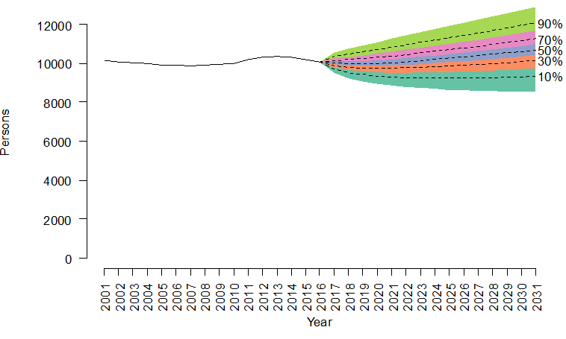

Chart 1 - Total Population
Western Australia Total Population
 | Estimated Resident Population | Band A | Band B | Band C | Band D | Band E
2011 | 2353409
2012 | 2425507
2013 | 2486944
2014 | 2517608
2015 | 2540672
2016 | 2559000 | 2559000 | 2559000 | 2559000 | 2559000 | 2559000
2017 |  | 2568000 | 2575000 | 2580000 | 2584000 | 2589000
2018 |  | 2583000 | 2596000 | 2605000 | 2614000 | 2626000
2019 |  | 2604000 | 2623000 | 2636000 | 2649000 | 2669000
2020 |  | 2630000 | 2657000 | 2675000 | 2694000 | 2722000
2021 |  | 2665000 | 2698000 | 2720000 | 2744000 | 2779000
2022 |  | 2706000 | 2744000 | 2771000 | 2799000 | 2839000
2023 |  | 2748000 | 2792000 | 2823000 | 2854000 | 2899000
2024 |  | 2792000 | 2841000 | 2875000 | 2911000 | 2961000
2025 |  | 2836000 | 2890000 | 2928000 | 2966000 | 3022000
2026 |  | 2882000 | 2940000 | 2980000 | 3022000 | 3083000
2027 |  | 2928000 | 2989000 | 3034000 | 3079000 | 3144000
2028 |  | 2974000 | 3040000 | 3087000 | 3135000 | 3206000
2029 |  | 3021000 | 3092000 | 3142000 | 3192000 | 3267000
2030 |  | 3068000 | 3144000 | 3196000 | 3250000 | 3329000
2031 |  | 3117000 | 3196000 | 3252000 | 3308000 | 3391000

Chart 2 - Population Pyramid
Western Australia
 | 2031 | 2031 | 2016 | 2016
00 to 04 | -95100 | 98900 | -84300 | 88600
05 to 09 | -97200 | 100400 | -83100 | 87100
10 to 14 | -98400 | 101000 | -75000 | 78500
15 to 19 | -98600 | 104700 | -75400 | 79500
20 to 24 | -105000 | 116400 | -84000 | 89900
25 to 29 | -100700 | 114400 | -99800 | 102600
30 to 34 | -98100 | 109300 | -100400 | 103600
35 to 39 | -101000 | 110000 | -87400 | 90000
40 to 44 | -111500 | 116300 | -87100 | 89200
45 to 49 | -110600 | 114300 | -87300 | 87700
50 to 54 | -96900 | 99000 | -82500 | 83000
55 to 59 | -93900 | 94900 | -77000 | 75800
60 to 64 | -89700 | 88800 | -67800 | 65700
65 to 69 | -81500 | 79700 | -58800 | 58900
70 to 74 | -73300 | 68400 | -42100 | 41500
75 to 79 | -61300 | 54300 | -32300 | 29100
80 to 84 | -48200 | 41800 | -23400 | 18500
85 to 89 | -28000 | 21800 | -15900 | 10800
90 to 94 | -13400 | 8400 | -8000 | 4000
95 to 99 | -3800 | 1900 | -2200 | 780
100+ | -590 | 280 | -180 | 40

Randomness
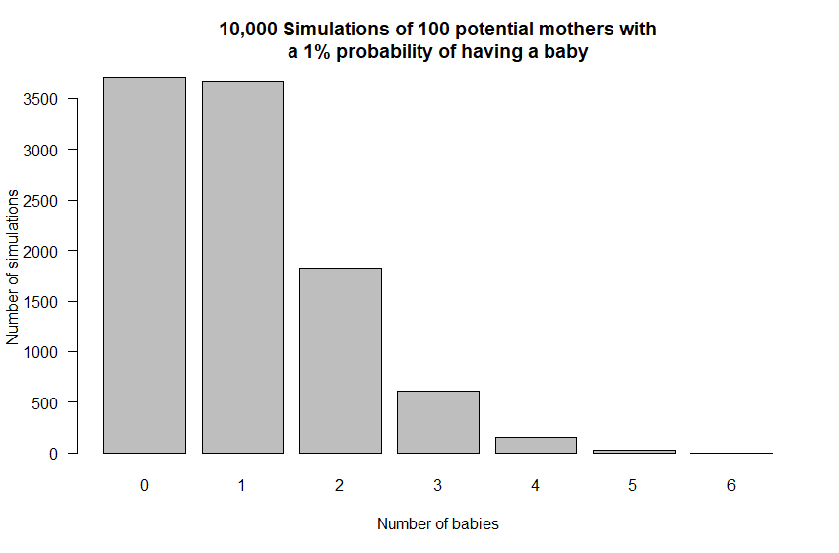
The random bit of the puzzle
The simplest way to explain the forecasts and related uncertainty/randomness is to give an example that we are all familiar with, "Tossing a coin". If a coin is tossed and the number of resultant heads and tails is counted, eventually you will get the same number of heads as there are tails. But even with this simple example it can take a long time before there is an equal number of heads and tails. In fact, it takes a lot of throws, but the more throws, the closer it tends to become even.
To relate the coin tossing to the forecasts, we can use for example, 10 coin tosses. The result is three heads for Band A, four heads for Band B, six for Band D and seven for Band E. Of course, Band C is equal to 10 times 50% which is five. The result we expected, on average.
The same maths/principle can be used to determine that if there is a fertility rate of 1%, and there are 100 potential mothers, then one baby each time can be expected. However, just like the coin tossing example, it doesn’t always work that way. So when we run the maths 10 000 times, we find that about 3 500 times there is no birth, which is similar to the approximate 3 500 times where the expected birth does occur. Perhaps surprisingly, almost 2 000 of the times there are two births and in over 500 times there are three births. The maximum that usually happens is 6, but 7 or 8 are possible. It is clear from this example that when small numbers are used we can get anything from 0% to 600% of the event that we are modelling. This often results in areas with a small population having larger bands.
The same technique can be used with each part of the population dynamics model. So every time we calculate the number of deaths for each age, gender, location and year we do it another 9 999 times and find out the different number of deaths that might have happened, due to randomness. We can add each of these extra runs to create 10 000 runs in total, giving a population range, How do we make sense of the population range of 10 000 runs? We divide it into five Bands.

