Figure 1
Figure 1
 |  | GENERAL GOVERNMENT REVENUE
 |  | Change - Six Months to December 2021

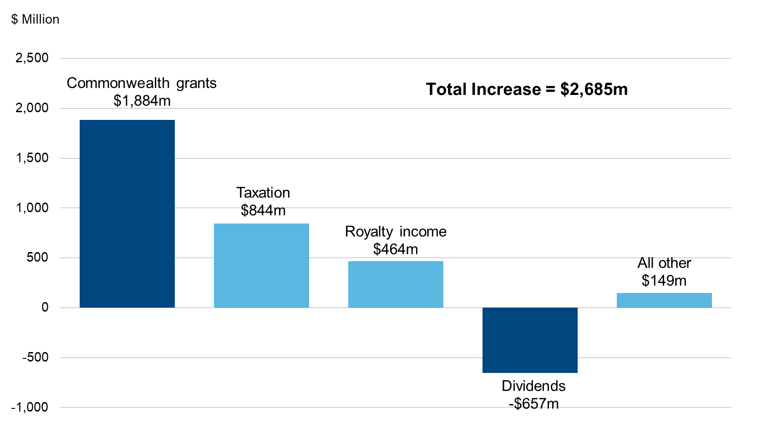

 |  | Change
 | Commonwealth grants | 1,884
 | Taxation | 844
 | Royalty income | 464
 | Dividends | -657
 | All other | 149

Figure 3
Figure 3
 | GENERAL GOVERNMENT EXPENSES (a)
 | Six Months to December 2021

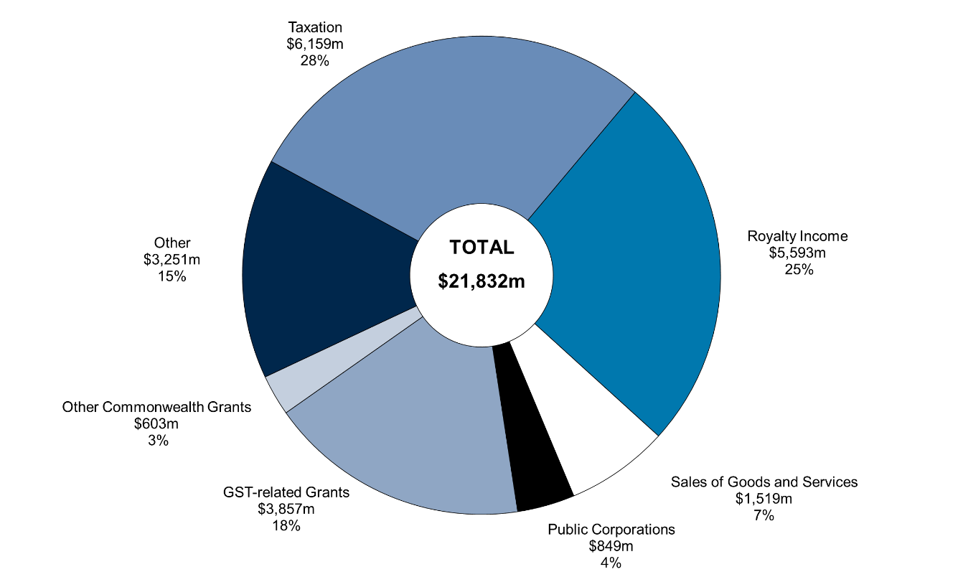

(a) Segments may not add due to rounding

 |  |  | December
 |  |  | 2021-22 | (%)
 |  | Royalty Income | 5,593 | 26
 |  | Sales of Goods and Services | 1,519 | 7
 |  | Public Corporations | 849 | 4
 |  | GST-related Grants | 3,857 | 18
 |  | Other Commonwealth Grants | 603 | 3
 |  | Other | 3,251 | 15
 |  | Taxation | 6,159 | 28
 |  | Total | 21,832 | 100

Figure 4
Figure 4

 | GENERAL GOVERNMENT EXPENSES (a)
 | Six Months to 31 December 2021

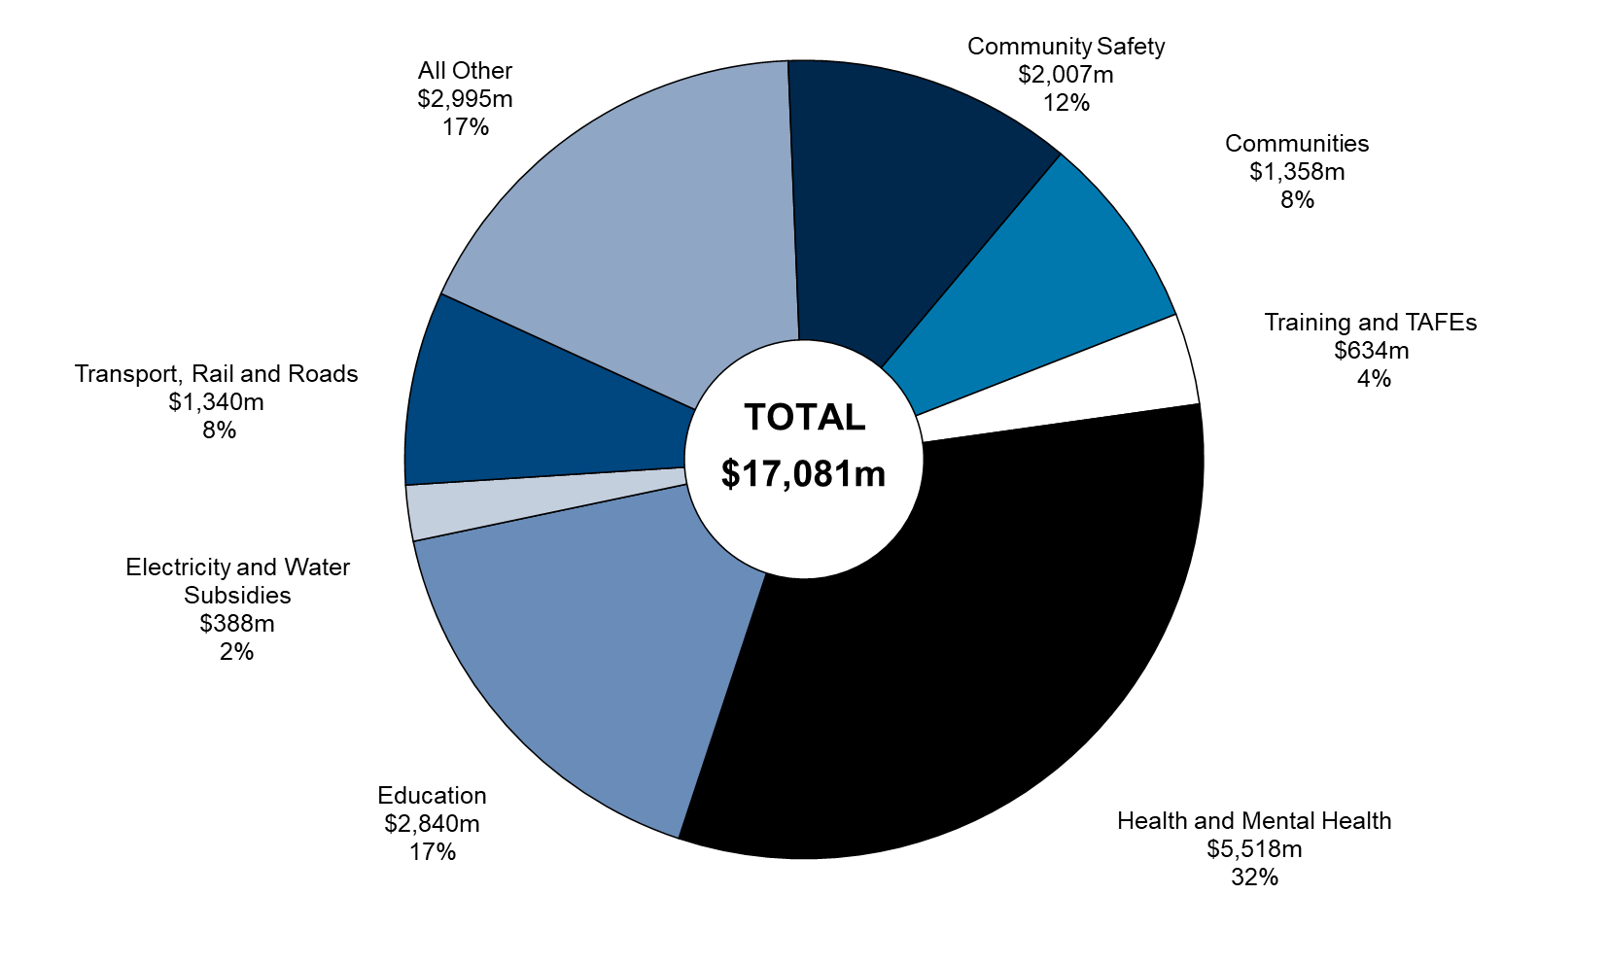

(a) Segments may not add due to rounding.

 |  |  | December
 |  | Group | 2021-22 | (%)
 |  | Communities | 1,358 | 8
 |  | Training and TAFEs | 634 | 4
 |  | Health and Mental Health | 5,518 | 32
 |  | Education | 2,840 | 17
 |  | Electricity and Water Subsidies | 388 | 2
 |  | Transport, Rail and Roads | 1,340 | 8
 |  | All Other | 2,995 | 18
 |  | Community Safety | 2,007 | 12
 |  | Total | 17,081 | 100

