Performance Criteria
Supplier Referee Report - CONSULTANT

NOTES ON COMPLETING THIS REPORT

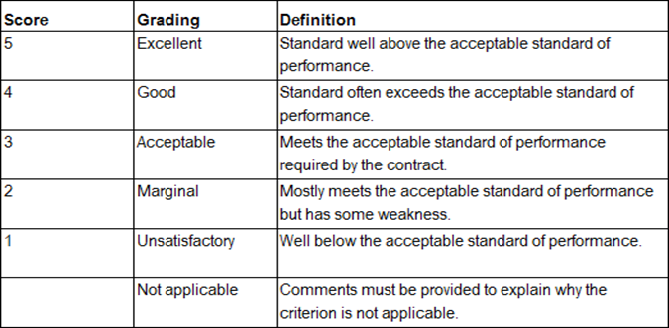 You have been provided with this template to comment on the performance of a consultant who has tendered to contract with the Department of Finance (Finance). This template is similar to one used within Finance to assess consultants' performance in delivering projects we manage. We ask referees to use this template to enable us to more accurately compare information we keep with that provided as part of the tender. You may consider some criteria not relevant, or you may be unable to comment. In that case, to ensure accurate scoring, please mark those criteria as not applicable. In providing a rating, you may wish to use the following as a guide: Each criterion includes a comments field. It is not necessary to provide comments but doing so may support a more nuanced evaluation. If you have any questions about using the template, please contact Assistant Director Supplier Management on 08 6551 1984.

GENERAL INFORMATION

Name of consulatncy you are providing comment on:

Value of contract at completion (GST incl):

Award date:

Name of person providing referee report:

Position and name of company:

Contact details (phone or email):

I am happy for Finance to contact me:

Date of report:

PERFORMANCE AGAINST CRITERIA

TIME MANAGEMENT (20%) | Not Satisfactory | Marginal | Good | Very Good | Excellent | Not Applicable | 12
 | 1 | 2 | 3 | 4 | 5 | 0 | 4
Factors for consideration include (where relevant): | 3 |  |  |  |  |  | 8
Ability to meet programmed milestones. |  |  |  |  |  |  | 12
Timely allocation of resources to critical activities. |  |  |  |  |  |  | 16
Programme updates to account for unforeseen delays. |  |  |  |  |  |  | 20

Please provide any comments:

QUALITY MANAGEMENT (20%) | Not Satisfactory | Marginal | Good | Very Good | Excellent | Not Applicable
 | 1 | 2 | 3 | 4 | 5 | 0 | 12
Factors for consideration include (where relevant): | 3 |  |  |  |  |  | 4
Overall compliance with brief or scope. |  |  |  |  |  |  | 8
Reviews and reports delivered in accordance with brief or scope. |  |  |  |  |  |  | 12
Conformance with specified performance criteria. |  |  |  |  |  |  | 16
Amount of rework required. |  |  |  |  |  |  | 20

Please provide any comments:

RESOURCE MANAGEMENT (20%) | Not Satisfactory | Marginal | Good | Very Good | Excellent | Not Applicable
 | 1 | 2 | 3 | 4 | 5 | 0 | 12
Factors for consideration include (where relevant): | 3 |  |  |  |  |  | 4
Management of on/off site and project personnel. |  |  |  |  |  |  | 8
Adequacy of the number and skills of personnel engaged. |  |  |  |  |  |  | 12
Coordination of interdependent services. |  |  |  |  |  |  | 16
Adherence to site rules and procedures. |  |  |  |  |  |  | 20

Please provide any comments:

CONTRACT ADMINISTRATION (20%) | Not Satisfactory | Marginal | Good | Very Good | Excellent | Not Applicable
 | 1 | 2 | 3 | 4 | 5 | 0 | 12
Factors for consideration include (where relevant): | 3 |  |  |  |  |  | 4
Actively manage the contract in accordance with the terms and conditions. |  |  |  |  |  |  | 8
Periodically inspecting and reviewing the works. |  |  |  |  |  |  | 12
Attending site and project meetings and ensuring the appropriate personnel attend. |  |  |  |  |  |  | 16
Monitoring workplace safety and environmental management obligations under the contract. |  |  |  |  |  |  | 20

Please provide any comments:

COMMUNICATION AND RELATIONSHIPS (20%) | Not Satisfactory | Marginal | Good | Very Good | Excellent | Not Applicable
 | 1 | 2 | 3 | 4 | 5 | 0 | 12
Factors for consideration include (where relevant): | 3 |  |  |  |  |  | 4
Commitment to timely resolution of issues. |  |  |  |  |  |  | 8
Non-adversarial approach to dispute resolutions. |  |  |  |  |  |  | 12
Commitment to partnering with clients and subconsultants. |  |  |  |  |  |  | 16
 |  |  |  |  |  |  | 20
Please provide any comments:

OVERALL PERFORMANCE RATING

Overall performance score: |  | Excellent >=86% | Very Good 75-85.9% | Good 60-74.9% | Marginal 46-59.9% | Not Satisfactory <46%
60% |  | Standard well above the acceptable standard of performance | Standard often exceeds the acceptable standard of performance | Meets the acceptable standard of performance required by the contract | Mostly meets the acceptable standard of performance but has some weakness | Well below the acceptable standard of performance.

