Technical Rules
This document provides a guide to the PSSR-related provisions and matters within the Western Power September 2023 proposed Technical Rules that were considered during the PSSR Standards Review. This list has been developed at the section or clause level; however, it is acknowledged that in some instances, certain clauses and subclauses within a section or clause may not have been considered PSSR matters. Therefore, this list should not be regarded as a complete or exhaustive compilation of relevant provisions.
Aspect | Component | Section/Clause | Content
Infrastructure Planning | Transmission & Distribution | 2 | TRANSMISSION AND DISTRIBUTION SYSTEM PERFORMANCE AND PLANNING CRITERIA
Infrastructure Planning | Transmission & Distribution | 2.1 | INTRODUCTION | Necessary amendments will be made that result from the more substantive amendments being made as part of the PSSR Standards review but will not address all the matters in the sections of Chapter 1
Infrastructure Planning | Transmission & Distribution | 2.2 | POWER SYSTEM PERFORMANCE STANDARDS
Infrastructure Planning | Transmission & Distribution | 2.2.1 | Frequency variations
Infrastructure Planning | Transmission & Distribution | 2.2.2 | Tranmission voltage
Infrastructure Planning | Transmission & Distribution | 2.2.3 | Distribution voltage
Infrastructure Planning | Transmission & Distribution | 2.2.4 | Flicker | 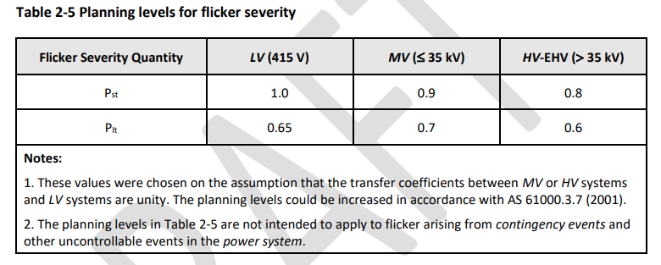
Infrastructure Planning | Transmission & Distribution | 2.2.5 | Harmonics | 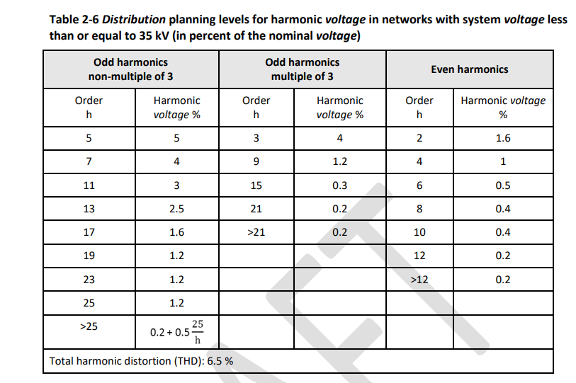 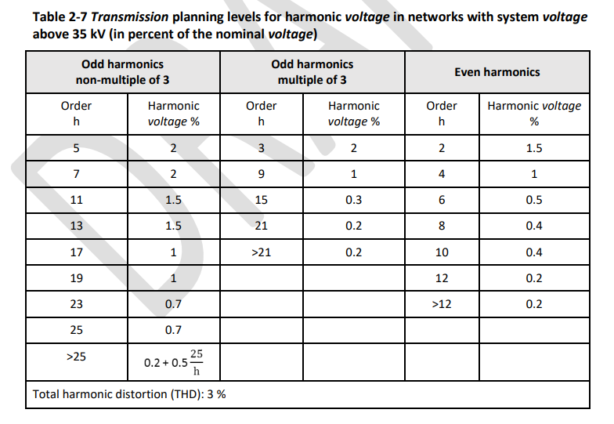 | 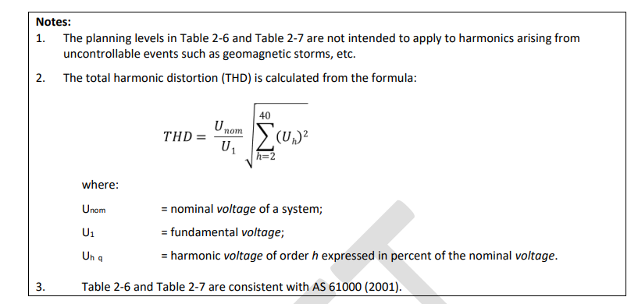
Infrastructure Planning | Transmission & Distribution | 2.2.6 | Negative phase sequence voltage
Infrastructure Planning | Transmission & Distribution | 2.2.7 | Electromagnetic interference
Infrastructure Planning | Transmission & Distribution | 2.2.8 | Transient stability
Infrastructure Planning | Transmission & Distribution | 2.2.9 | Oscillatory stability
Infrastructure Planning | Transmission & Distribution | 2.2.10 | Voltage stability
Infrastructure Planning | Transmission & Distribution | 2.3 | OBLIGATIONS OF NETWORK SERVICE PROVIDER IN RELATION TO POWER SYSTEM PERFORMANCE
Infrastructure Planning | Transmission & Distribution | 2.3.1 | Flicker
Infrastructure Planning | Transmission & Distribution | 2.3.2 | Harmonics
Infrastructure Planning | Transmission & Distribution | 2.3.3 | Negative phase sequence voltage
Infrastructure Planning | Transmission & Distribution | 2.3.4 | Electromagnetic interference
Infrastructure Planning | Transmission & Distribution | 2.3.5 | Power system stability and dynamic performance
Infrastructure Planning | Transmission & Distribution | 2.3.6 | Determination of power transfer limits
Infrastructure Planning | Transmission & Distribution | 2.3.7 | Monitoring and assessment of power system performance | 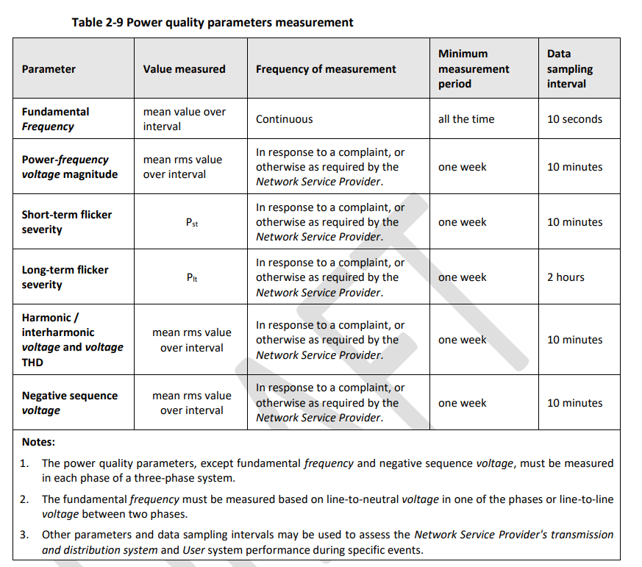
Infrastructure Planning | Transmission & Distribution | 2.3.8 | System restart capability
Infrastructure Planning | Transmission & Distribution | 2.3.9 | System strength
Implementation | Transmission | 2.4 | LOAD SHEDDING REQUIREMENTS
Infrastructure Planning | Transmission | 2.5 | TRANSMISSION SYSTEM PLANNING CRITERIA
Infrastructure Planning | Transmission | 2.5.2 | Overview and general requirements
Infrastructure Planning | Transmission | 2.5.3 | Generation connection planning criteria
Infrastructure Planning | Transmission | 2.5.4 | Demand connection planning criteria
Infrastructure Planning | Transmission | 2.5.5 | Main interconnected tranmission system and sub transmisison system planning criteria
Infrastructure Planning | Transmission & Distribution | 2.5.6 | Fault Limits
Infrastructure Planning | Transmission | 2.5.7 | Maximum fault currents
Infrastructure Planning | Distribution | 2.6 | DISTRIBUTION SYSTEM PLANNING CRITERIA
 |  | 2.6.1 | Application
 |  | 2.6.2 | High voltage distribution system
 |  | 2.6.3 | Low voltage distribution system
 |  | 2.6.4 | Fault limits
 |  | 2.6.5 | Maximum fault currents
 |  | 2.6.6 | Distribution design criteria
Infrastructure Planning | Transmission & Distribution | 2.7 | TRANSMISSION AND DISTRIBUTION SYSTEM DESIGN AND CONSTRUCTION STANDARDS
Infrastructure Planning | Distribution | 2.8 | DISTRIBUTION CONDUCTOR OR CABLE SELECTION
Infrastructure Planning | Transmission & Distribution | 2.9 | TRANSMISSION AND DISTRIBUTION SYSTEM PROTECTION
Infrastructure Planning | Transmission & Distribution | 2.9.1 | General requirements
Infrastructure Planning | Transmission & Distribution | 2.9.2 | Duplication of protection
Infrastructure Planning | Transmission & Distribution | 2.9.3 | Availability of protection systems
Infrastructure Planning | Transmission & Distribution | 2.9.4 | Maximum total fault clearance times
Infrastructure Planning | Transmission & Distribution | 2.9.5 | Critical fault clearance times
Infrastructure Planning | Transmission & Distribution | 2.9.6 | Protection sensitivity
Infrastructure Planning | Transmission & Distribution | 2.9.7 | Trip supply supervision requirements
Infrastructure Planning | Transmission & Distribution | 2.9.8 | Trip circuit supervision requirements
Infrastructure Planning | Transmission & Distribution | 2.9.9 | Protection flagging and indication
Implementation | Supply & Load | 3 | TECHNICAL REQUIREMENTS OF USER FACILITIES
 |  | 3.1 | INTRODUCTION
Implementation |  | 3.2 | REQUIREMENTS FOR ALL USERS
Implementation | Supply & Load | 3.2.1 | Power system performance standards
Implementation | Supply & Load | 3.2.2 | Main switch
Implementation | Supply & Load | 3.2.3 | User's power quality monitoring equipment
Implementation | Supply & Load | 3.2.4 | Modelling data for power system simulation studies
Implementation | Supply & Load | 3.2.5 | Technical matters to be coordinated
Implementation | Supply & Load | 3.2.6 | Register of performance requirements
Implementation | Supply & Load | 3.2.7 | Changes to control and protection settings
Implementation | Supply | 3.3 | REQUIREMENTS FOR CONNECTION OF LARGE GENERATING SYSTEMS TO THE TRANSMISSION SYSTEM OR THE HIGH VOLTAGE DISTRIBUTION SYSTEM
Implementation | Supply | 3.3.1 | Overview
Implementation | Supply | 3.3.2 | General requirements
Implementation | Supply | 3.3.3 | Provision of information
Implementation | Supply | 3.3.4 | Establishing generator performance standards
Implementation | Supply | 3.3.5 | Potential relevant generator modifications to existing generating systems
Implementation | Supply | 3.3.6 | Relevant generator modifications to existing generating systems
Implementation | Supply | 3.3.7 | Technical requirements addressed by generator performance standards
Implementation | Supply | 3.3.8 | Remote monitoring requirements
Implementation | Supply | 3.3.9 | Remote control requirements
Implementation | Supply | 3.3.10 | Communication equipment requirements
Implementation | Supply | 3.3.11 | Generation system model
 |  | 3.3.12 | Safe shutdown without external electricity supply
 |  | 3.3.13 | Restart following restoration of external electricity supply
 |  | 3.3.14 | Generating unit transformer
 |  | 3.3.15 | De-energisation of generator circuits
Implementation | Supply | 3.3.16 | Power station auxiliary transformers |  |  | -
Implementation | Supply | 3.3.17 | Synchronising
Implementation | Supply | 3.3.18 | Secure electricity supplies
Implementation | Supply | 3.3.19 | Design requirements for Generator’s substations
Implementation | Load | 3.4 | REQUIREMENTS FOR CONNECTION OF LOADS
Implementation | Load | 3.4.1 | Obligations of Users
Implementation | Load | 3.4.2 | Overview
Implementation | Load | 3.4.3 | Power frequency variations
Implementation | Load | 3.4.4 | Power frequency voltage variations
Implementation | Load | 3.4.5 | Provision of information
Implementation | Load | 3.4.6 | Design standards
Implementation | Load | 3.4.7 | Power factor requirements
Implementation | Load | 3.4.8 | Design requirements for Users' substations
Implementation | Load | 3.4.9 | Load shedding facilities
Implementation | Load | 3.4.10 | Monitoring and control requirements
Implementation | Load | 3.4.11 | Secure electricity supplies
Implementation | Load & Supply | 3.5 | USER'S PROTECTION REQUIREMENTS
Implementation | Load & Supply | 3.5.1 | Overview
Implementation | Supply | 3.5.2 | Protection requirements for transmission connected generating systems
Implementation | Load | 3.5.3 | Protection requirements for distribution connected generating systems
Implementation | Load | 3.5.5 | Protection requirements for loads
Implementation | Supply | 3.6 | REQUIREMENTS FOR CONNECTION OF SMALL GENERATING SYSTEMS TO THE TRANSMISSION OR HIGH VOLTAGE DISTRIBUTION SYSTEM
Implementation | Supply | 3.6.1 | Overview
Implementation | Supply | 3.6.2 | Categorisation of facilities
Implementation | Supply | 3.6.3 | Information to be provided by the Generator
Implementation | Supply | 3.6.4 | Safety and contribution to power system reliability
Implementation | Supply | 3.6.5 | Technical requirements
Implementation | Supply | 3.6.6 | Connection and operation
Implementation | Supply | 3.6.7 | Power quality and voltage change
Implementation | Supply | 3.6.8 | Remote control, monitoring and communications
Implementation | Supply | 3.6.9 | Commissioning and testing
Implementation | Supply | 3.6.10 | Technical matters to be coordinated
Implementation | Supply | 3.7 | REQUIREMENTS FOR CONNECTION OF SMALL GENERATING SYSTEMS TO THE LOW VOLTAGE DISTRIBUTION SYSTEM
 |  | 3.7.1 | Overview
 |  | 3.7.2 | Categorisation of facilities
 |  | 3.7.3 | Information to be provided by the Generator
 |  | 3.7.4 | Safety and contribution to power system reliability
Implementation | Supply | 3.7.5 | Technical requirements
...

ENAC-AA5
...
This document serves as a guide to the PSSR-related provisions and matters within the ENAC/AA5 that has been considered during the PSSR Standards Review. The list is organised by Sections, however not all subsections are included in the scope of the PSSR Standards Review project.
Aspect | Component | Documents | Page /Reference | Content
Planning | Load | ENAC | 2.7 | Service provider to use reasonable endeavours to provide access to covered services
 |  |  | 11.1 | Service provider must comply with service standards
Infrastructure Planning and Operation | Transmission and Distribution | ENAC | 6.29 | ‘Service standards adjustment mechanism’ defined
 |  |  | 6.3 | Form of price control for first access arrangement
 |  |  | 6.31 | Requirement for service standards adjustment mechanism
 |  |  | 6.32 | Requirement for service standards adjustment mechanism

 |  | AA5: Attachment 9: Service Standard Benchmarks and Adjustment Mechanisms
 |  |  |  | AA5 applies a financial impact of not meeting the reliability standards below. The financial impact is in AA6. The way in which these standards are applied to create financial impacts is detailed in the AA5 Attachment 9, figures based on the 97.5th percentile.
 |  |  |  | Rural long target set to 290 minutes by ERA final decision
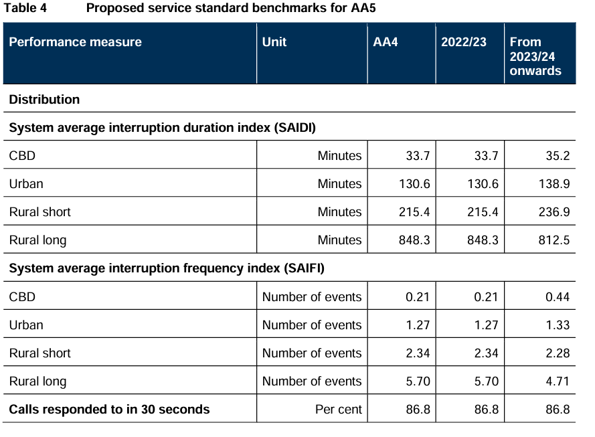

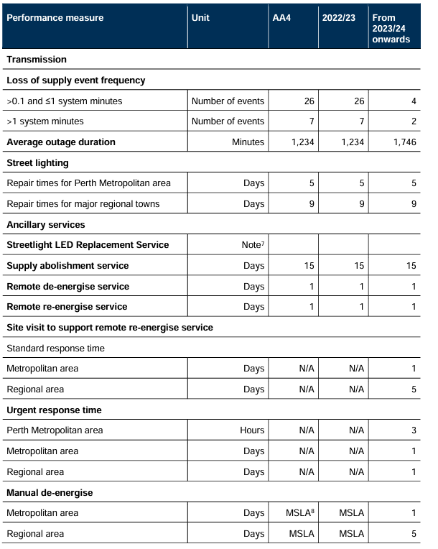

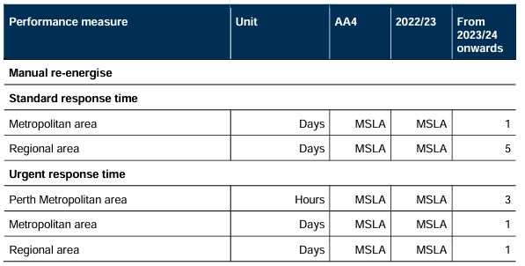

 |  |  |  | *MSLA is the Model Service Level Agreement in the Metering Code

Planning | Supply | ENAC | 6A
 |  |  | Network Opportunity Map
 |  |  | 6A.1
 |  |  | 6A.2
 |  |  | Model alternative option service contract
 |  |  | 6A.8
 |  |  | 6A.9
 |  |  | 6A.10

