Contract Info and Criteria
Consultant Performance Report (cost manager contracts) |  |  |  |  |  |  |  | Version 3
 |  |  |  |  |  |  |  | TRIM Ref: 07888770
 |  |  |  |  |  |  |  | Works Document Library Number: 1627
General Information |  |  |  |  |  |  |  | Effective date: 1 July 2025
Project or Work Order Name

Project or Work Order No. (as per Ready Contracts or Mainsaver)

Current Project Status | Project Handover

Reporting Officer

Reporting Officer Position Title

Approving Officer (Level 8 or higher)

Approving Officer Position Title

Date of Report (dd/mm/yyyy) | 2025-07-01

Commission/Contract Details

Consultant Legal Entity Name

Consultant Engagement Method | Cost Management Services Panel A 2017

Consultant's Role

Contract or Purchase Order Number (as per Ready Contracts or Mainsaver)

Contract Award Date (dd/mm/yyyy) | 2025-01-01

Consultant's Representative Name

Reason for performance report | Construction Practical Completion

Quality of Cost Management - contract history
A. Accuracy of Cost Management during the design phase | Construction Cost Estimate (ex GST) |  | Approved Construction Budget $ (ex GST) |  | Construction Cost Estimate minus Approved Budget ($) | as a % of Budget (Excellent = 0%, otherwise Unsatisfactory) | Weighted Average SD 10% DD 30% CD 60%
Agreed Construction Cost at appointment of Cost Consultant - including design contingency (at PDP, if completed) | $1,000
Construction cost estimate at Schematic Design |  |  |  |  | $- | #DIV/0!
Construction cost estimate at Design Development |  |  |  |  | $- | #DIV/0!
Construction cost estimate at Contract Documentation (PTE) |  |  |  |  | $- | #DIV/0!
Comment:

B. Accuracy of pre-tender estimate compared to market prices at tender |  |  | Construction cost estimate at Contract Documentation (PTE) |  | 2nd lowest tender minus PTE $ | As a % of PTE (Good - with BOQ <5%, no BOQ <10%; Excellent <2.5%, otherwise unsatisfactory)
Was a Bill of Quantity prepared? | No
2nd lowest tender |  |  | $0 |  |  |  | 0
Accepted tender price
Comment:

C. Accuracy of Cost Management during the construction stage |  |  | Accepted Tender Price |  | Variations due to Measurement Errors as a % of the Accepted Tender Price (Good <1%, Excellent <0.5%)
Variations not due to Measurement Errors (latent conditions, documentation error, client request)
Variations due to measurement errors (ie BOQ error) |  |  | $0
Final Cost at Practical Completion (accepted tender price plus variations) | $0
Comment:

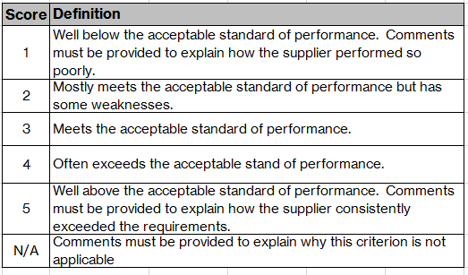
Performance Measurement Criteria

Project Managers are requested to give a score for each of the five criteria. For guidance on completing each criteria, go to the Guide Notes. Where your score for any criterion is "Excellent", "Unsatisfactory" or "Not Applicable" you must detail the reasons for the score.
Quality of Cost Management (35%) | Unsatisfactory | Marginal | Good | Very Good | Excellent | N/A | SCORE
 | 1 | 2 | 3 | 4 | 5 | 0 | 3
Comments
Quality of Documentation and Service (35%) | Unsatisfactory | Marginal | Good | Very Good | Excellent | N/A | SCORE
 | 1 | 2 | 3 | 4 | 5 | 0 | 3
Comments
Time Management (10%) | Unsatisfactory | Marginal | Good | Very Good | Excellent | N/A | SCORE
 | 1 | 2 | 3 | 4 | 5 | 0 | 3
Comments
Resource Management (10%) | Unsatisfactory | Marginal | Good | Very Good | Excellent | N/A | SCORE
 | 1 | 2 | 3 | 4 | 5 | 0 | 3
Comments
Communications and Relationships (10%) | Unsatisfactory | Marginal | Good | Very Good | Excellent | N/A | SCORE
 | 1 | 2 | 3 | 4 | 5 | 0 | 3
Comments

