Contract Info and Criteria
Contractor Performance Report (low value contracts) |  |  |  |  |  |  |  | Version 2
 |  |  |  |  |  |  |  | TRIM Ref: 07888689
 |  |  |  |  |  |  |  | Works Document Library Number: 1689
 |  |  |  |  |  |  |  | Effective date: 1 July 2025
General Information

Project or Work Order Name/Description

Project or Work Order No. (as per Ready Contracts or Mainsaver)

Reporting Officer Name

Reporting Officer Position Title

Approving Officer Name (Level 8 or higher)

Approving Officer Position Title

Date of Report (dd/mm/yyyy) | 2025-07-01

Contract Details

Contractor Legal Entity Name

Contractor Engagement Method (e.g. LVMP, SA12, Direct, Tender)

Contract or Purchase Order Name

Contract or Purchase Order No. (as per Ready Contracts or Mainsaver)

Contract Value (GST inclusive, whole numbers, no decimals)

Contract Award Date (dd/mm/yyyy) | 2025-01-01

Type of Works | Minor Works

Reason for performance report | Practical Completion

Performance Measurement Criteria

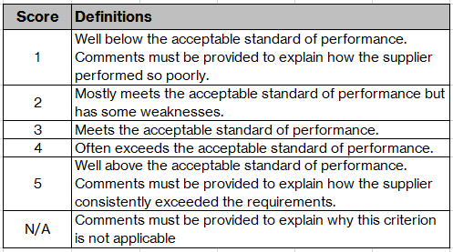
Project Managers are requested to give a score for each of the six criteria. For guidance on completing each criteria, go to the Guide Notes. Where your score for any criterion is "1", "5" or "N/A" you must detail the reasons for the score.
Cost Management (15%) |  |  |  |  |  |  | SCORE
Cost Management (15%) | 1 | 2 | 3 | 4 | 5 | N/A | 3
Comments
Time Management (20%) | 1 | 2 | 3 | 4 | 5 | N/A | 3
Comments
Quality Management (20%) | 1 | 2 | 3 | 4 | 5 | N/A | 3
Comments
Resource Management (15%) | 1 | 2 | 3 | 4 | 5 | N/A | 3
Comments
Contract Administration and Compliance (15%) | 1 | 2 | 3 | 4 | 5 | N/A | 3
Comments
Communications and Relationships (15%) | 1 | 2 | 3 | 4 | 5 | N/A | 3
Comments

