Contract Info and Criteria
Contractor Performance Report (routine maintenance contracts) |  |  |  |  |  |  |  | Version 2
 |  |  |  |  |  |  |  | TRIM Ref: 07888686
 |  |  |  |  |  |  |  | Document Library Number: 1886
 |  |  |  |  |  |  |  | Effective date: 1 July 2025
General Information

Contract Title

Contract Number

Reporting Officer Name

Reporting Officer Position Title

Approving Officer Name (Level 8 or higher)

Approving Officer Position Title

Date of Report (dd/mm/yyyy) | 2025-07-01

Contract Details

Contractor Legal Entity Name (and Business Name if applicable)

Procurement Method / Contractor Engagement Method | Panel / Procurement Framework

Name of Panel/Procurement Framework (if applicable) | Low Value Maintenance Panel (LVMP)

Contract Value (GST inclusive, no decimals)

Contract Award Date (dd/mm/yyyy) | 2025-01-01

Type of Works / Services | Routine Maintenance & Breakdown Repairs

Reason for performance report | Annual Assessment

Performance Measurement Criteria

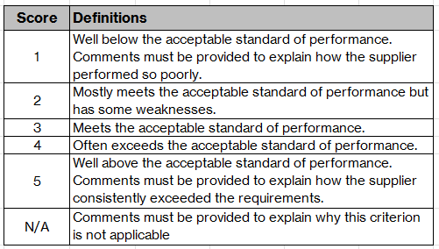
Reporting Officers are requested to give a score for each of the six criteria. For guidance on completing each criteria, go to the Guide Notes. Where your score for any criterion is "1", "5" or "N/A" you must detail the reasons for the score.
Cost Management (15%) | Unsatisfactory | Marginal | Good | Very Good | Excellent | N/A | SCORE
 | 1 | 2 | 3 | 4 | 5 |  | 3
Comments
Time Management (20%) | Unsatisfactory | Marginal | Good | Very Good | Excellent | N/A | SCORE
 | 1 | 2 | 3 | 4 | 5 |  | 3
Comments
Quality Management (20%) | Unsatisfactory | Marginal | Good | Very Good | Excellent | N/A | SCORE
 | 1 | 2 | 3 | 4 | 5 |  | 3
Comments
Resource Management (15%) | Unsatisfactory | Marginal | Good | Very Good | Excellent | N/A | SCORE
 | 1 | 2 | 3 | 4 | 5 |  | 3
Comments
Contract Administration and Compliance (15%) | Unsatisfactory | Marginal | Good | Very Good | Excellent | N/A | SCORE
 | 1 | 2 | 3 | 4 | 5 |  | 3
Comments
Communications and Relationships (15%) | Unsatisfactory | Marginal | Good | Very Good | Excellent | N/A | SCORE
 | 1 | 2 | 3 | 4 | 5 |  | 3
Comments

