Category A
Category A - Total Waste Management
Category A Contractors can provide a full range of waste disposal and recycling services on your site.
You can choose to have more than one Category A contractor to service your site.
Enter into 12-month Customer Contracts with a Contractor so that you have flexibility to change service providers during the CUA term - the order form in the Buyers Guide may help.
"Scheduled Service" is any regular service, from monthly to daily.
"Ad-Hoc/On-Call" is any service that is not a Scheduled Service and includes extra or in-between services requested by a Customer that receives a Scheduled Service.

General Waste
Non-recyclable waste sent to landfill. |  |  | All Pricing GST Exclusive |  |  | All Pricing GST Inclusive
 |  |  | SCHEDULED SERVICE & AD-HOC/ON-CALL SERVICE Total cost per bin per service |  |  | SCHEDULED SERVICE & AD-HOC/ON-CALL SERVICE Total cost per bin per service
Waste Stream | Bin Type | Bin Size | Suez Perth effective 23/09/22 | Suez effective 05/09/24 | Cleanaway effective 31/01/25 | Suez Perth effective 5/09/24 | Suez effective 05/09/24 | Cleanaway effective 31/01/25
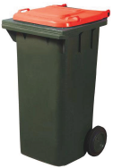 General Waste | Mobile Garbage Bins | 120 Litre | $8.04 | $8.50 | $6.40 | $8.85 | $9.35 | $7.04
 | Mobile Garbage Bins | 240 Litre | $8.51 | $9.09 | $7.85 | $9.36 | $10.00 | $9.13
 | Mobile Garbage Bins | 660 Litre | $18.49 | $21.65 | $14.49 | $20.34 | $23.82 | $15.94
 | Mobile Garbage Bins | 1100 Litre | $23.84 | $25.51 | $20.98 | $26.23 | $28.06 | $23.08
 | Front Lift Bins | 1.5 Cubic Metre | $34.58 | $44.22 | $35.04 | $38.04 | $48.64 | $38.54
 | Front Lift Bins | 3 Cubic Metre | $59.45 | $56.94 | $52.47 | $65.40 | $62.63 | $57.72
 | Front Lift Bins | 4.5 Cubic Metre | $84.68 | $81.73 | $69.92 | $93.15 | $89.90 | $76.91
 | Front Lift Bins | 6 Cubic Metre | #VALUE! | #VALUE! | $87.39 | Not Applicable | Not Applicable | $96.13
 | Bulk Bins | 2 Cubic Metre | $396.34 | $375.02 | $164.71 | $435.98 | $412.52 | $181.18
 | Bulk Bins | 2.5 Cubic Metre | $411.54 | #VALUE! | $186.86 | $452.69 | Not Applicable | $205.55
 | Bulk Bins | 3 Cubic Metre | $422.77 | $369.44 | $225.46 | $465.04 | $406.38 | $248.01
 | Bulk Bins | 4 Cubic Metre | $475.61 | $363.94 | $286.80 | $523.17 | $400.33 | $315.48
 | Bulk Bins | 6 Cubic Metre | $554.88 | $672.46 | $425.52 | $610.37 | $739.71 | $468.07
 | Bulk Bins | 8 Cubic Metre | $673.79 | $672.46 | $514.31 | $741.17 | $739.71 | $565.74
 | Bulk Bins | 9 Cubic Metre | $713.42 | $672.46 | $569.44 | $784.77 | $739.71 | $626.38
 | Bulk Bins | 10 Cubic Metre | $805.90 | $780.57 | $603.95 | $886.49 | $858.63 | $664.35
 | Bulk Bins | 11 Cubic Metre | $845.54 | #VALUE! | $659.05 | $930.10 | Not Applicable | $724.96
 | Bulk Bins | 12.5 Cubic Metre | $977.66 | $928.60 | $715.75 | $1,075.43 | $1,021.46 | $787.33
 | Bulk Bins | 15 Cubic Metre | $915.27 | $1,017.46 | $896.78 | $1,006.79 | $1,119.21 | $986.46
 | Bulk Bins | 22 Cubic Metre | 0 | $- | $1,344.91 |  |  | $1,479.40
 | Bulk Bins | 25 Cubic Metre | $1,083.35 | $1,996.10 | $1,217.33 | $1,191.69 | $2,195.71 | $1,339.06
 | Bulk Bins | 30 Cubic Metre | $1,479.70 | $2,023.02 | $1,573.76 | $1,627.66 | $2,225.32 | $1,731.14
The price listed will be paid by the Customer for each bin service, regardless of the weight of the contents of the bin. The price includes bin delivery, a service of the bin, the waste disposal and the final bin collection on completion/expiry of the Customer Contract.

Comingled Recycling
Mixed recyclables, separated at the Contractor's recycling plant and sold on recycling markets.
Includes mixed plastic, paper, cardboard, glass, aluminium, steel. |  |  | All Pricing GST Exclusive |  |  | All Pricing GST Inclusive
 |  |  | SCHEDULED SERVICE & AD-HOC/ON-CALL SERVICE Total cost per bin per service |  |  | SCHEDULED SERVICE & AD-HOC/ON-CALL SERVICE Total cost per bin per service
Waste Stream | Bin Type | Bin Size | Suez Perth effective 05/09/24 | Suez effective 05/09/24 | Cleanaway effective 31/01/25 | Suez Perth effective 05/09/24 | Suez effective 05/09/24 | Cleanaway effective 31/01/25
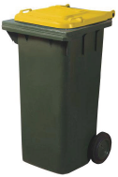 Comingled Recycling | Mobile Garbage Bins | 120 Litre | $4.73 | $7.33 | $6.41 | $5.20 | $8.06 | $7.05
 | Mobile Garbage Bins | 240 Litre | $5.24 | $8.42 | $6.68 | $5.77 | $9.26 | $7.35
 | Mobile Garbage Bins | 660 Litre | $9.44 | $14.06 | $11.55 | $10.39 | $15.46 | $12.70
 | Mobile Garbage Bins | 1100 Litre | $12.59 | $22.53 | $13.56 | $13.85 | $24.79 | $14.92
 | Front Lift Bins | 1.5 Cubic Metre | $15.74 | $54.17 | $30.80 | $17.31 | $59.58 | $33.88
 | Front Lift Bins | 3.0 Cubic Metre | $39.67 | $67.92 | $32.58 | $43.63 | $74.72 | $35.84
 | Front Lift Bins | 4.5 Cubic Metre | $61.81 | $93.80 | $34.37 | $67.99 | $103.18 | $37.81
 | Front Lift Bins | 6 Cubic Metre | $36.73 | #VALUE! | $36.16 | $40.41 | Not Applicable | $39.78
 | Bulk Bins | 3 Cubic Metre | $111.25 | $221.47 | $99.91 | $122.38 | $243.62 | $109.90
 | Bulk Bins | 6 Cubic Metre | $111.25 | $297.49 | $172.38 | $122.38 | $327.24 | $189.62
 | Bulk Bins | 8 Cubic Metre | $220.41 | $364.31 | $172.58 | $242.45 | $400.74 | $189.84
 | Bulk Bins | 10 Cubic Metre | $220.41 | $495.80 | $173.69 | $242.45 | $545.38 | $191.06
 | Bulk Bins | 15 Cubic Metre | $220.41 | $582.07 | $250.66 | $242.45 | $640.27 | $275.73
 | Bulk Bins | 22 Cubic Metre | $- | $- | $257.99 | $- | $- | $283.79
 | Bulk Bins | 30 Cubic Metre | 0 | 0 | $264.00 | 0 | 0 | $290.40
The price listed will be paid by the Customer for each bin service, regardless of the weight of the contents of the bin. The price includes bin delivery, a service of the bin, recycling of the waste and the final bin collection on completion/expiry of the Customer Contract.

Paper and Cardboard Recycling
Mixed paper and cardboard, separated by the Contractor and baled for sale. |  |  | All Pricing GST Exclusive |  |  | All Pricing GST Inclusive
 |  |  | SCHEDULED SERVICE & AD-HOC/ON-CALL SERVICE Total cost per bin per service |  |  | SCHEDULED SERVICE & AD-HOC/ON-CALL SERVICE Total cost per bin per service
Waste Stream | Bin Type | Bin Size | Suez Perth effective 23/09/22 | Suez effective 23/09/22 | Cleanaway effective 31/01/25 | Suez Perth effective 23/09/22 | Suez effective 23/09/22 | Cleanaway effective 31/01/25
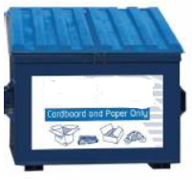 Paper and Cardboard Recycling | Mobile Garbage Bins | 120 Litre | $4.21 | $5.14 | $6.08 | $4.63 | $5.65 | $6.69
 | Mobile Garbage Bins | 240 Litre | $4.49 | $5.14 | $6.15 | $4.94 | $5.65 | $6.77
 | Mobile Garbage Bins | 660 Litre | $7.85 | $8.02 | $7.92 | $8.64 | $8.82 | $8.71
 | Mobile Garbage Bins | 1100 Litre | $10.09 | $12.34 | $9.33 | $11.10 | $13.57 | $10.26
 | Front Lift Bins | 1.5 Cubic Metre | $14.02 | $21.59 | $21.55 | $15.42 | $23.75 | $23.71
 | Front Lift Bins | 3.0 Cubic Metre | $16.82 | $19.54 | $22.70 | $18.51 | $21.49 | $24.97
 | Front Lift Bins | 4.5 Cubic Metre | $24.30 | $27.76 | $29.58 | $26.73 | $30.54 | $32.54
 | Front Lift Bins | 6 Cubic Metre | $32.71 |  | $34.40 | $35.99 | $- | $37.84
 | Bulk Bins | 3 Cubic Metre | $132.73 | $130.85 | $94.52 | $146.00 | $143.94 | $103.97
 | Bulk Bins | 6 Cubic Metre | $151.42 | $168.25 | $163.05 | $166.56 | $185.07 | $179.36
 | Bulk Bins | 8 Cubic Metre | $168.24 | $168.25 | $163.25 | $185.07 | $185.07 | $179.57
 | Bulk Bins | 10 Cubic Metre | $168.24 | $224.33 | $164.29 | $185.07 | $246.76 | $180.72
 | Bulk Bins | 15 Cubic Metre | $168.24 | $224.33 | $237.09 | $185.07 | $246.76 | $260.80
 | Bulk Bins | 22 Cubic Metre | $- | $224.33 | $244.08 | $- | $246.76 | $268.49
 | Bulk Bins | 30 Cubic Metre | 0 | $- | $249.70 | 0 | 0 | $274.67
The price listed will be paid by the Customer for each bin service, regardless of the weight of the contents of the bin. The price includes bin delivery, a service of the bin, recycling of the waste and the final bin collection on completion/expiry of the Customer Contract.
As of 26 October 2020, separate Paper Recycling and Cardboard Recycling services will be operated by Suez and Suez Perth.

Paper Recycling
Mixed paper, separated by the Contractor and baled for sale. |  |  | All Pricing GST Exclusive |  |  | All Pricing GST Inclusive
 |  |  | SCHEDULED SERVICE & AD-HOC/ON-CALL SERVICE Total cost per bin per service |  |  | SCHEDULED SERVICE & AD-HOC/ON-CALL SERVICE Total cost per bin per service
Waste Stream | Bin Type | Bin Size | Suez Perth effective 05/09/24 | Suez effective 05/09/24 | Cleanaway effective 31/01/25 | Suez Perth effective 05/09/24 | Suez effective 05/09/24 | Cleanaway effective 31/01/25
Paper Recycling | Mobile Garbage Bins | 120 Litre | $4.82 | $11.78 | $6.37 | $5.30 | $12.96 | $7.01
 | Mobile Garbage Bins | 240 Litre | $5.14 | $11.78 | $6.45 | $5.65 | $12.96 | $7.10
 | Mobile Garbage Bins | 660 Litre | $9.00 | $11.78 | $8.31 | $9.90 | $12.96 | $9.14
 | Mobile Garbage Bins | 1100 Litre | $11.57 | $14.14 | $9.78 | $12.72 | $15.56 | $10.76
 | Front Lift Bins | 1.5 Cubic Metre | $16.07 | $24.75 | $22.60 | $17.68 | $27.23 | $24.86
 | Front Lift Bins | 3.0 Cubic Metre | $19.28 | $22.39 | $23.80 | $21.21 | $24.63 | $26.18
 | Front Lift Bins | 4.5 Cubic Metre | $27.85 | $31.82 | $31.01 | $30.64 | $35.00 | $34.11
 | Front Lift Bins | 6 Cubic Metre | $37.50 | #VALUE! | $36.06 | $41.24 | Not Applicable | $39.67
 | Bulk Bins | 3 Cubic Metre | $152.13 | $149.99 | $99.10 | $167.35 | $164.99 | $109.01
 | Bulk Bins | 6 Cubic Metre | $173.56 | $192.84 | $170.96 | $190.91 | $212.13 | $188.06
 | Bulk Bins | 8 Cubic Metre | $192.84 | $192.84 | $171.17 | $212.13 | $212.13 | $188.29
 | Bulk Bins | 10 Cubic Metre | $192.84 | $257.12 | $172.26 | $212.13 | $282.83 | $189.49
 | Bulk Bins | 15 Cubic Metre | $192.84 | $257.12 | $248.59 | $212.13 | $282.83 | $273.45
 | Bulk Bins | 22 Cubic Metre | $- | #VALUE! | $255.93 | $- | $282.84 | $281.52
 | Bulk Bins | 30 Cubic Metre | $- | $257.13 | $261.82 | $- | $282.84 | $288.00
The price listed will be paid by the Customer for each bin service, regardless of the weight of the contents of the bin. The price includes bin delivery, a service of the bin, recycling of the waste and the final bin collection on completion/expiry of the Customer Contract.

Cardboard Recycling
Mixed cardboard, collected by the Contractor and baled for sale. |  |  | All Pricing GST Exclusive |  |  | All Pricing GST Inclusive
 |  |  | SCHEDULED SERVICE & AD-HOC/ON-CALL SERVICE Total cost per bin per service |  |  | SCHEDULED SERVICE & AD-HOC/ON-CALL SERVICE Total cost per bin per service
Waste Stream | Bin Type | Bin Size | Suez Perth effective 05/09/24 | Suez effective 05/09/24 | Cleanaway effective 1/01/24 | Suez Perth effective 05/09/24 | Suez effective 05/09/24 | Cleanaway effective 1/01/24
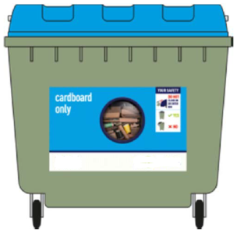 Cardboard Recycling | Mobile Garbage Bins | 120 Litre | $4.82 | $5.89 | $5.95 | $5.30 | $6.48 | $6.54
 | Mobile Garbage Bins | 240 Litre | $5.14 | $5.89 | $6.03 | $5.65 | $6.48 | $6.63
 | Mobile Garbage Bins | 660 Litre | $9.00 | $9.19 | $7.76 | $9.90 | $10.11 | $8.54
 | Mobile Garbage Bins | 1100 Litre | $11.57 | $14.14 | $9.14 | $12.72 | $15.56 | $10.05
 | Front Lift Bins | 1.5 Cubic Metre | $16.07 | $24.75 | $21.11 | $17.68 | $27.23 | $23.22
 | Front Lift Bins | 3.0 Cubic Metre | $19.28 | $22.39 | $22.24 | $21.21 | $24.63 | $24.46
 | Front Lift Bins | 4.5 Cubic Metre | $27.85 | $31.82 | $28.96 | $30.64 | $35.00 | $31.86
 | Front Lift Bins | 6 Cubic Metre | $37.50 | $41.24 | $33.68 | $41.24 | $45.37 | $37.05
 | Bulk Bins | 3 Cubic Metre | $149.99 | $149.99 | $92.55 | $164.99 | $164.99 | $101.80
 | Bulk Bins | 6 Cubic Metre | $149.99 | $192.84 | $159.66 | $164.99 | $212.13 | $175.63
 | Bulk Bins | 8 Cubic Metre | $149.99 | $192.84 | $159.85 | $164.99 | $212.13 | $175.83
 | Bulk Bins | 9 Cubic Metre | $149.99 | $192.84 | $170.66 | $164.99 | $212.13 | $187.73
 | Bulk Bins | 10 Cubic Metre | $171.42 | $257.12 | $160.87 | $188.56 | $282.83 | $176.96
 | Bulk Bins | 15 Cubic Metre | $192.84 | $257.12 | $232.16 | $212.13 | $282.83 | $255.38
 | Bulk Bins | 22 Cubic Metre | 0 | $- | $238.96 |  | 273.61 | $262.86
 | Bulk Bins | 30 Cubic Metre | $225.47 | $257.12 | $244.52 | $248.02 | $282.83 | $268.97
 |  |  |  | $- |  |  |  | $-
 | Rebate $/Tonne |  | $- | $84.27 | $94.56 | $- | $92.70 | $104.02
The price listed will be paid by the Customer for each bin service, regardless of the weight of the contents of the bin. The price includes bin delivery, a service of the bin, recycling of the waste and the final bin collection on completion/expiry of the Customer Contract.
Rebate applicable to front lift and bulk bins only.

Green Waste
Clean green waste processed by the Contractor into compost and mulch. |  |  | All Pricing GST Exclusive |  |  | All Pricing GST Inclusive
 |  |  | SCHEDULED/AD-HOC/ON-CALL SERVICE Total cost per bin per service |  |  | SCHEDULED/AD-HOC/ON-CALL SERVICE Total cost per bin per service
Waste Stream | Bin Type | Bin Size | Suez Perth effective 05/09/24 | Suez effective 05/09/24 | Cleanaway effective 31/01/25 | Suez Perth effective 05/09/24 | Suez effective 05/09/24 | Cleanaway effective 31/01/25
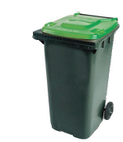 Green Waste Recycling | Mobile Garbage Bins | 120 Litre | $4.30 | #VALUE! | $12.90 | $4.73 | Not Applicable | $14.19
 | Mobile Garbage Bins | 240 Litre | $4.74 | $13.08 | $15.39 | $5.22 | $14.39 | $16.93
 | Mobile Garbage Bins | 660 Litre | $15.99 | #VALUE! | $25.69 | $17.59 | Not Applicable | $28.26
 | Mobile Garbage Bins | 1100 Litre | $20.56 | $21.98 | $36.00 | $22.62 | $24.18 | $39.60
 | Front Lift Bins | 1.5 Cubic Metre | $25.13 | $40.68 | $44.92 | $27.64 | $44.75 | $49.41
 | Front Lift Bins | 3 Cubic Metre | $46.83 | $50.74 | $55.39 | $51.52 | $55.81 | $60.93
 | Front Lift Bins | 4.5 Cubic Metre | $70.82 | $72.57 | $65.89 | $77.90 | $79.83 | $72.48
 | Front Lift Bins | 6 Cubic Metre | #VALUE! | #VALUE! | $150.53 | Not Applicable | Not Applicable | $165.58
 | Bulk Bins | 3 Cubic Metre | $342.69 | $209.13 | $149.39 | $376.96 | $230.04 | $164.33
 | Bulk Bins | 6 Cubic Metre | $382.67 | $310.18 | $273.91 | $420.93 | $341.20 | $301.30
 | Bulk Bins | 8 Cubic Metre | $434.08 | $340.78 | $313.32 | $477.49 | $374.85 | $344.65
 | Bulk Bins | 10 Cubic Metre | $450.19 | $458.85 | $353.55 | $495.21 | $504.73 | $388.91
 | Bulk Bins | 12.5 Cubic Metre | $479.77 | $565.33 | $403.63 | $527.75 | $621.86 | $443.99
 | Bulk Bins | 15 Cubic Metre | $495.22 | $517.57 | $521.39 | $544.74 | $569.32 | $573.53
 | Bulk Bins | 22 Cubic Metre | 0 | #VALUE! | $665.42 |  | Not Applicable | $731.96
 | Bulk Bins | 30 Cubic Metre | $708.23 | $638.05 | $827.92 | $779.06 | $701.85 | $910.71
The price listed will be paid by the Customer for each bin service, regardless of the weight of the contents of the bin. The price includes bin delivery, a service of the bin, recycling of the waste and the final bin collection on completion/expiry of the Customer Contract.

General Waste Compactors
Non-recyclable waste sent to landfill. |  |  | All Pricing GST Exclusive |  |  |  |  |  |  |  |  |  |  |  |  | All Pricing GST Inclusive
 |  |  | Suez Perth effective 05/09/24 |  |  |  | Suez effective 05/09/24 |  |  |  | Cleanaway effective 31/01/25 |  |  |  |  | Suez Perth effective 05/09/24 |  |  |  | Suez effective 05/09/24 |  |  |  | Cleanaway effective 31/01/25
Waste Stream | Bin Type & Site | Bin Size | Landfill Cost $ per Tonne | Service Cost $ per Bin | Monthly Lease* | Monthly Lease Years 6 & 7 | Landfill Cost $ per Tonne | Service Cost $ per Bin | Monthly Lease* | Monthly Lease Years 6 & 7 | Landfill Cost $ per Tonne | Service Cost $ per Bin | Monthly Lease* | Monthly Lease Years 6 & 7 |  | Landfill Cost $ per Tonne | Service Cost $ per Bin | Monthly Lease* | Monthly Lease Years 6 & 7 | Landfill Cost $ per Tonne | Service Cost $ per Bin | Monthly Lease* | Monthly Lease Years 6 & 7 | Landfill Cost $ per Tonne | Service Cost $ per Bin | Monthly Lease* | Monthly Lease Years 6 & 7
General Waste Compactors | Compactor Unit - King Edward Memorial Hospital | 3 Cubic Metre - Front Lift - Subiaco | $185.88 | $10.61 | 0 | 0 | $198.52 | $23.31 | 0 | 0 | $187.44 | $17.84 | $- | $- | KEMH owns the compactor and the bins. | $204.46 | $11.67 |  |  | $218.37 | $25.64 |  |  | $206.18 | $19.62
 | Compactor Unit - Public Transport Authority | 3 Cubic Metre - Skip Bin - East Perth | $185.88 | $192.84 | 0 | 0 | $198.52 | $164.99 | 0 | 0 | $187.44 | $92.55 | $- | $- | PTA owns the compactor and one 3m3 skip bin. Another 3m3 bin is included in the service cost. | $204.46 | $212.13 |  |  | $218.37 | $181.49 |  |  | $206.18 | $101.80
 | Compactor Unit - Perth Children's Hospital | 25 Cubic Metre - Nedlands | $185.88 | $214.27 | $- | $- | $198.52 | $282.83 | 0 | 0 | $187.44 | $218.57 | $1,479.00 | $- | PCH providing its own compactor. | $204.46 | $235.69 |  |  | $218.37 | $311.11 |  |  | $206.18 | $240.43 | $1,626.90 | $1,626.90
...
 |  |  |  |  |  |  |  |  |  |  |  |  |  |  |  |  |  |  | TREATMENT OUTSIDE OF WESTERN AUSTRALIA
 |  |  |  |  |  |  |  |  |  |  |  |  |  |  |  |  |  |  | All Pricing GST Inclusive
 |  |  |  |  |  |  |  |  |  |  |  |  |  |  |  |  |  | Other Treatments $/kg | Incineration $/kg | Autoclave $/kg | Autoclave PLUS Shredding $/kg | Shredding PLUS Chemical Treatment $/kg | Other Treatments $/kg
 |  |  |  |  |  |  |  |  |  |  |  |  |  |  |  |  |  |  | $3.36
 |  |  |  |  |  |  |  |  |  |  |  |  |  |  |  |  |  |  | $3.36
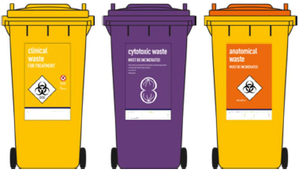
 |  |  |  |  |  |  |  |  |  |  |  |  |  |  |  |  |  |  | $3.36
 |  |  |  |  |  |  |  |  |  |  |  |  |  |  |  |  |  |  | $3.36
 |  |  |  |  |  |  |  |  |  |  |  |  |  |  |  |  |  |  | GST Inclusive
 |  |  |  |  |  |  |  |  |  |  |  |  |  |  |  |  |  |  | $15.53

 |  |  |  |  |  |  |  |  |  |  |  |  |  |  |  |  |  |  | TREATMENT OUTSIDE OF WESTERN AUSTRALIA
 |  |  |  |  |  |  |  |  |  |  |  |  |  |  |  |  |  |  | All Pricing GST Inclusive
 |  |  |  |  |  |  |  |  |  |  |  |  |  |  |  |  |  | Other Treatments $/kg | Incineration $/kg | Autoclave $/kg | Autoclave PLUS Shredding $/kg | Shredding PLUS Chemical Treatment $/kg | Other Treatments $/kg
 |  |  |  |  |  |  |  |  |  |  |  |  |  |  |  |  |  |  | $2.96
 |  |  |  |  |  |  |  |  |  |  |  |  |  |  |  |  |  |  | $2.96
 |  |  |  |  |  |  |  |  |  |  |  |  |  |  |  |  |  |  | $2.96
 |  |  |  |  |  |  |  |  |  |  |  |  |  |  |  |  |  |  | $2.96
 |  |  |  |  |  |  |  |  |  |  |  |  |  |  |  |  |  |  | GST Inclusive
 |  |  |  |  |  |  |  |  |  |  |  |  |  |  |  |  |  |  | $56.94

 |  |  |  |  |  |  |  |  |  |  |  |  |  |  |  |  |  |  | TREATMENT OUTSIDE OF WESTERN AUSTRALIA
 |  |  |  |  |  |  |  |  |  |  |  |  |  |  |  |  |  |  | All Pricing GST Inclusive
...

Category B
...
TREATMENT OUTSIDE OF WESTERN AUSTRALIA |  |  |  |  | TREATMENT WITHIN WESTERN AUSTRALIA |  |  |  |  | TREATMENT OUTSIDE OF WESTERN AUSTRALIA
$2.71 | AUTOCLAVING AND SHREDDING TAKES PLACE IN WESTERN AUSTRALIA |  |  |  | n/a | $2.13 | $2.35 | $- | $- | $2.98 | AUTOCLAVING AND SHREDDING TAKES PLACE IN WESTERN AUSTRALIA
$2.71 |  |  |  |  | n/a | $2.13 | $2.35 | $- | $- | $2.98
$2.71 |  |  |  |  | n/a | $2.13 | $2.35 | $- | $- | $2.98
$2.71 |  |  |  |  | n/a | $2.13 | $2.35 | $- | $- | $2.98
$- |  |  |  |  | GST Inclusive | $- | $- | $- | $- | $-
$- |  |  |  |  | $3.89 | $- | $- | $- | $- | $-

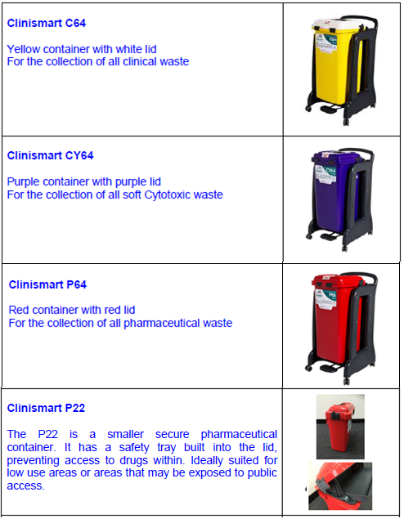
TREATMENT WITHIN WESTERN AUSTRALIA |  |  | TREATMENT OUTSIDE OF WESTERN AUSTRALIA
All Pricing GST Inclusive |  |  | All Pricing GST Inclusive
Incineration $/bin | Autoclave $/bin | Autoclave PLUS Shredding $/bin | Incineration $/bin | Autoclave $/bin | Autoclave PLUS Shredding $/bin
$- | $34.20 | $36.40 | $- | $- | $-
n/a | $- | $- | $47.78 | $- | $-
n/a | $- | $- | $79.61 | $- | $-
n/a | $- | $- | $26.53 | $- | $-
GST Inclusive
$3.89
...

Category C
...
Nappy Disposal
Nappy Disposal | Standard 26L (1-10 Bins) | 26 Litre |  | $4.37 |  | $37.24 |  | $4.81 |  | $40.96
 | Standard 26L (+10 Bins) | 26 Litre |  | $4.24 |  | $37.24 |  | $4.66 |  | $40.96
 | Standard 28L (1-10 Bins) | 28 Litre | $3.44 | $- | $3.44 | $- | $3.78 | $- | $3.78 | $-
 | Standard 28L (+10 Bins) | 28 Litre | $3.44 | $- | $3.44 | $- | $3.78 | $- | $3.78 | $-
 | Standard 50L (1-10 Bins) | 50 Litre | $7.16 | $- | $7.16 | $- | $7.88 | $- | $7.88 | $-
 | Standard 50L (+10 Bins) | 50 Litre | $7.16 | $- | $7.16 | $- | $7.88 | $- | $7.88 | $-
 | Standard 50L (1-10 Bins) | 2 x 26 Litre | $ - | $8.74 |  | $37.81 | $ - | $9.61 | $ - | $41.59
 | Standard 50L (+10 Bins) | 2 x 26 Litre | $ - | $8.46 |  | $37.81 | $ - | $9.31 | $ - | $41.59
 | Hands-Free Bins | 26 litre |  | $8.45 |  | $37.24 |  | $9.30 |  | $40.96

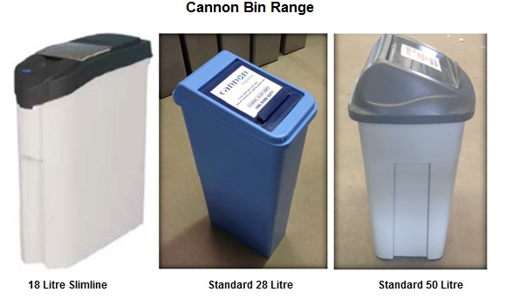
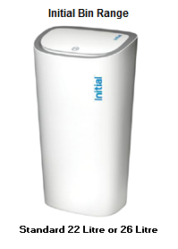

Category D
...
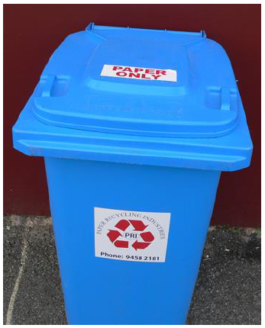
...
All Pricing GST Exclusive (Effective as at 1 January 2024) |  | All Pricing GST Inclusive (Effective as at 1 January 2024)
SCHEDULED SERVICE Total cost per bin per service | AD-HOC/ON-CALL SERVICE Total cost per bin per service | SCHEDULED SERVICE Total cost per bin per service | AD-HOC/ON-CALL SERVICE Total cost per bin per service
$6.66 | $6.87 | $7.33 | $7.56
$6.87 | $6.87 | $7.56 | $7.56
...

